PROFILE SIZE CALCULATOR
GDIL 6001 - PROJECTING WINDOW |  |  |  |  |  |  |  | 16-086 - PROJECTING WINDOW |  |  |  |  |  |  | 13-024- PROJECTING WINDOW |  |  |  |  |  |  | 09-001- PROJECTING WINDOW |  |  |  |  |  |  | GDIL 4054- PROJECTING WINDOW |  |  |  |  |  |  | M14650 - SLIDING DOOR / WINDOW |  |  |  |  |  |  |  | M14627 - 3 TRACK SLIDING DOOR / WINDOW |  |  |  |  |  |  |  | M9241 - SLIDING DOOR / WINDOW |  |  |  |  |  |  | M9838 - SLIDING FOLDING DOORS |  |  |  |  |  |  |  | 79-015 SWING DOOR |  |  |  |  |  |  |  | GDIL 6001 SWING DOOR

 |  |  |  |  |  |  |  |  |  |  |  |  |  |  |  |  |  |  |  |  |  |  |  |  |  |  |  |  |  |  |  |  |  |  |  |  | 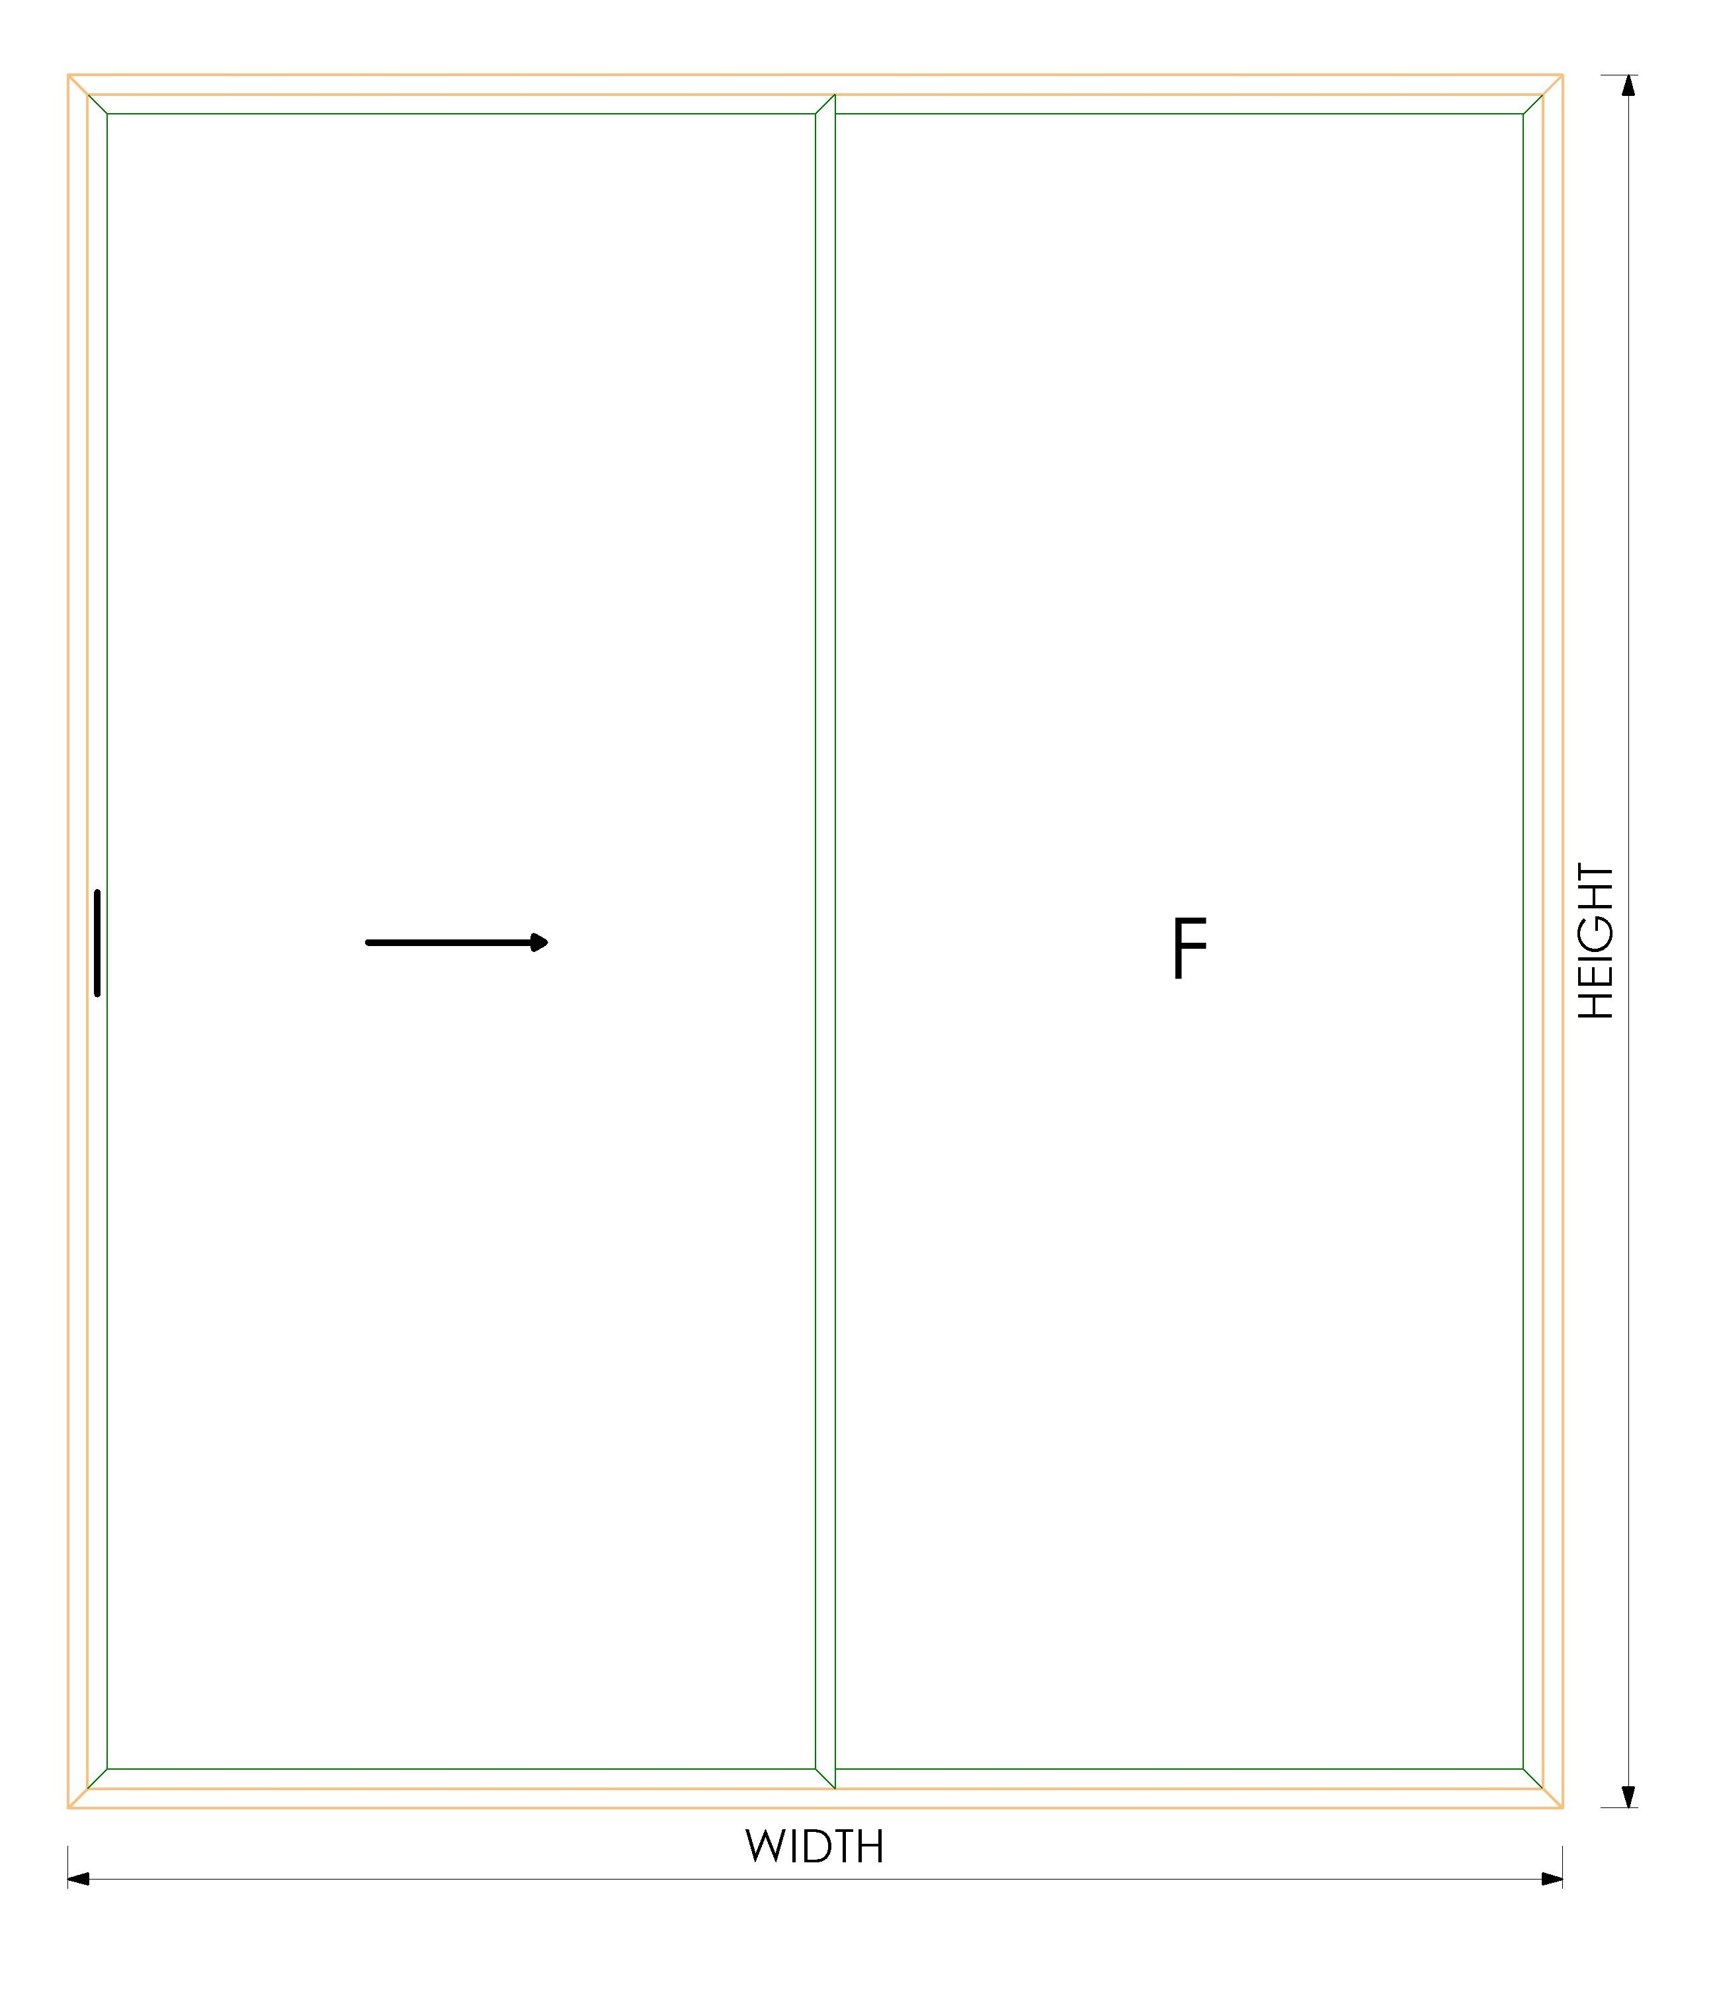 | OVERALL SIZE |  |  | GLASS SIZES |  |  |  | 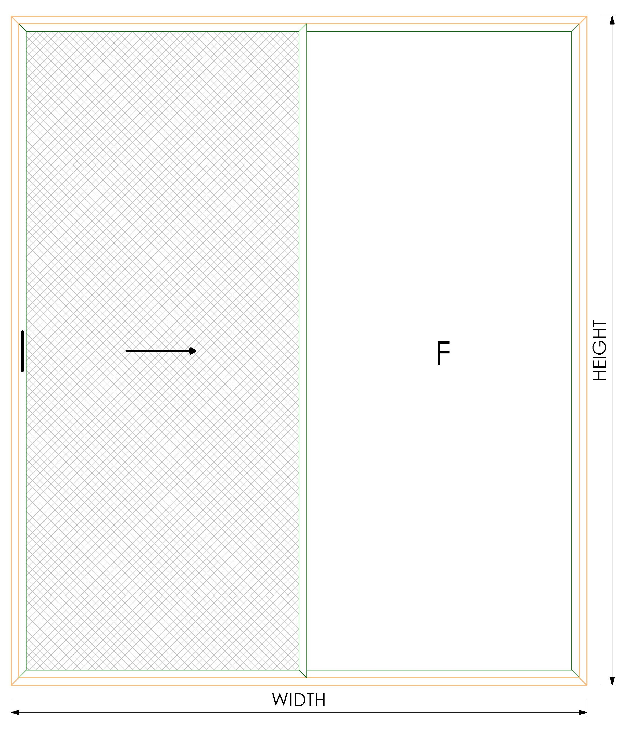 | OVERALL SIZE |  |  | GLASS SIZES |  |  |  | OVERALL SIZE |  |  | GLASS SIZES |  |  |  | 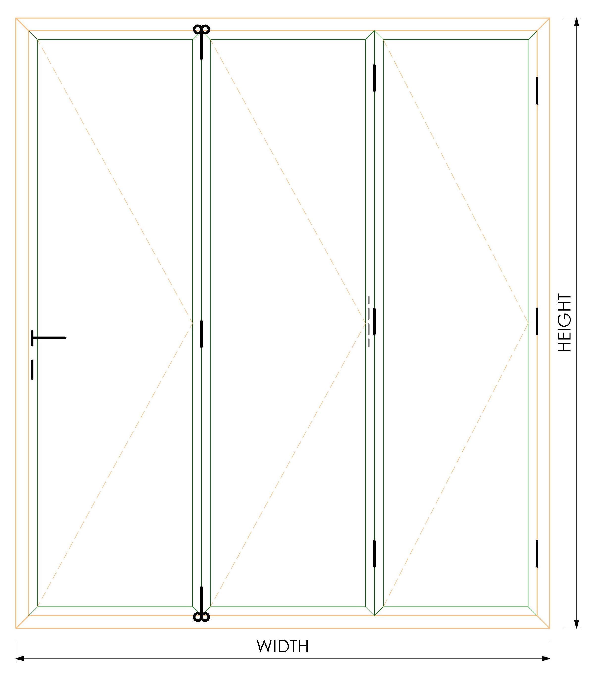 | OVERALL SIZE |  |  | GLASS SIZES |  |  |  | 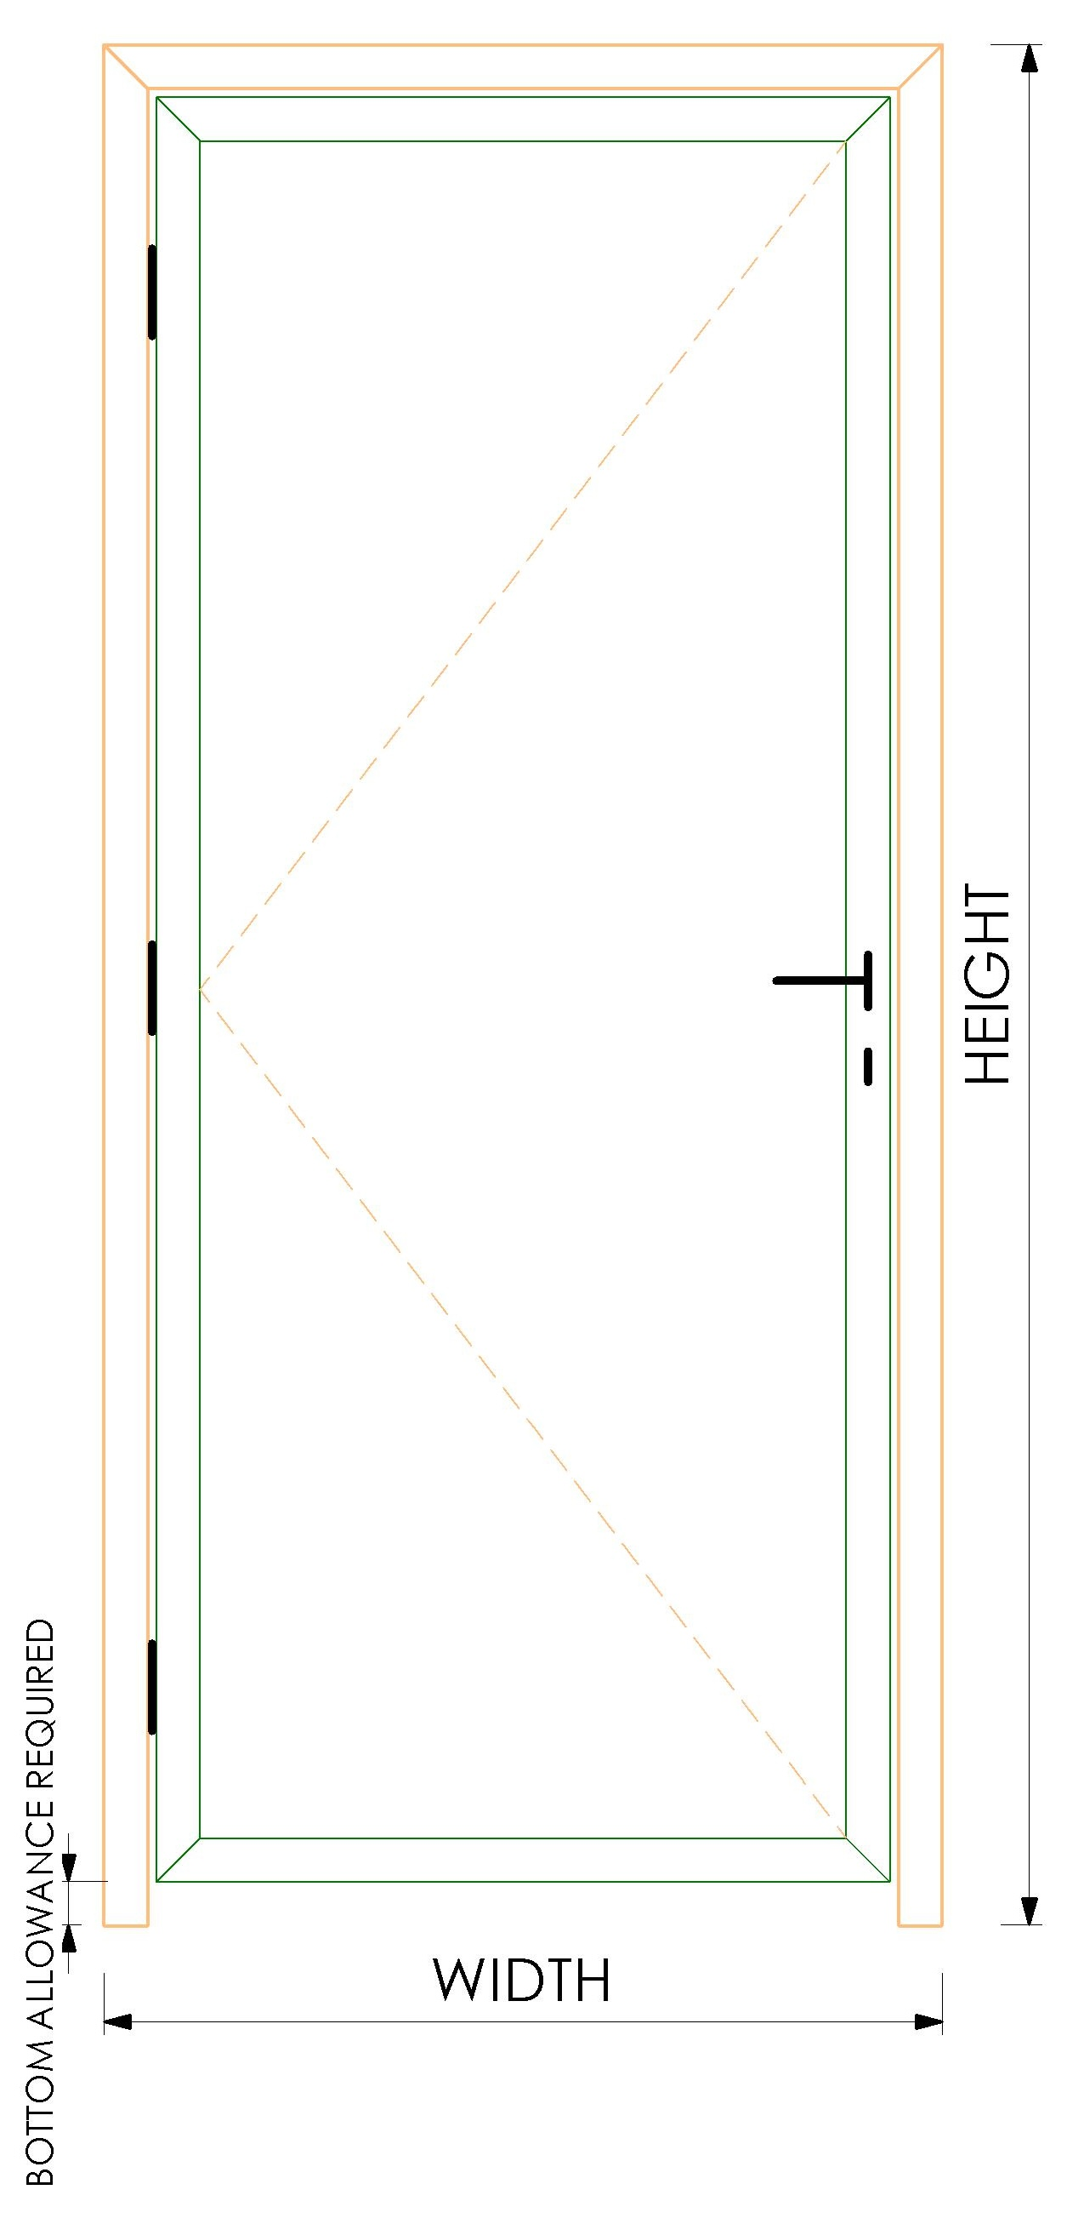 | OVERALL SIZE |  |  | GLASS SIZES |  |  |  | OVERALL SIZE |  |  | GLASS SIZES
 | 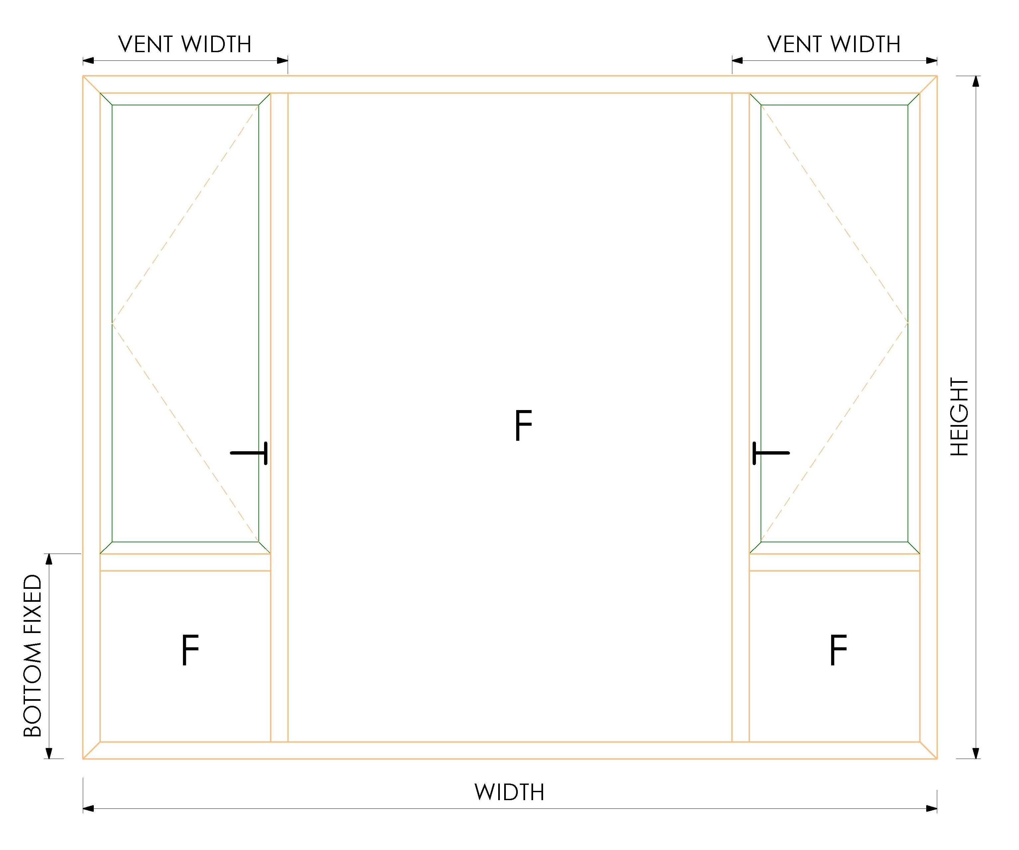 | WINDOW SIZE |  |  | GLASS SIZES |  |  |  | WINDOW SIZE |  |  | GLASS SIZES |  |  |  | WINDOW SIZE |  |  | GLASS SIZES |  |  |  | WINDOW SIZE |  |  | GLASS SIZES |  |  |  | WINDOW SIZE |  |  | GLASS SIZES |  |  |  |  | OVERALL WIDTH |  |  | WIDTH | HEIGHT | QUANTITY |  |  | OVERALL WIDTH |  |  | WIDTH | HEIGHT | QUANTITY |  | OVERALL WIDTH |  |  | WIDTH | HEIGHT | QUANTITY |  |  | OVERALL WIDTH |  |  | WIDTH | HEIGHT | QUANTITY |  |  | OVERALL WIDTH |  |  | WIDTH | HEIGHT | QUANTITY |  | OVERALL WIDTH |  |  | WIDTH | HEIGHT | QUANTITY
 |  | OVERALL WIDTH |  |  | WIDTH | HEIGHT | QUANTITY |  | OVERALL WIDTH |  |  | WIDTH | HEIGHT | QUANTITY |  | OVERALL WIDTH |  |  | WIDTH | HEIGHT | QUANTITY |  | OVERALL WIDTH |  |  | WIDTH | HEIGHT | QUANTITY |  | OVERALL WIDTH |  |  | WIDTH | HEIGHT | QUANTITY |  |  | OVERALL HEIGHT |  |  | -121.5 | -202 | 2 |  |  | OVERALL HEIGHT |  |  | -121.5 | -194 | 2 |  | OVERALL HEIGHT |  |  | -131 | -199 | 2 |  |  | OVERALL HEIGHT |  |  | (112.00) | (184.50) | 3 |  |  | OVERALL HEIGHT |  |  | (152.00) | (126.00) | 1 |  | OVERALL HEIGHT |  |  | (114.00) | (93.00) | 1
 |  | OVERALL HEIGHT |  |  | -118 | -93 | 2 |  | OVERALL HEIGHT |  |  | -148 | -123 | 2 |  | OVERALL HEIGHT |  |  | -148 | -123 | 2 |  | OVERALL HEIGHT |  |  | -128 | -101 | 2 |  | OVERALL HEIGHT |  |  | -148 | -123 | 2 |  |  |  |  |  |  |  |  |  |  |  |  |  |  |  |  |  |  |  |  |  |  |  |  |  |  |  |  |  |  |  |  |  | BOTTOM CLEARANCE REQUIRED |  |  |  |  |  |  | BOTTOM CLEARANCE REQUIRED
 |  | VENT WIDTH |  |  | -56 | -56 | 2 |  | VENT WIDTH |  |  | -56 | -56 | 2 |  | VENT WIDTH |  |  | -56 | -56 | 2 |  | VENT WIDTH |  |  | -58 | -56 | 2 |  | VENT WIDTH |  |  | -56 | -56 | 2 |  |  | PROFILES REQUIRED |  |  |  |  |  |  |  | PROFILES REQUIRED |  |  |  |  |  |  | PROFILES REQUIRED |  |  |  |  |  |  |  | PROFILES REQUIRED
 |  | BOTTOM FIXED HEIGHT |  |  | -6 | -56 | 1 |  | BOTTOM FIXED HEIGHT |  |  | -6 | -56 | 1 |  | BOTTOM FIXED HEIGHT |  |  | -6 | -56 | 1 |  | BOTTOM FIXED HEIGHT |  |  | -6 | -58 | 1 |  | BOTTOM FIXED HEIGHT |  |  | -6 | -56 | 1 |  |  | PROFILE | SIZE | QUANTITY | CUT DEGREE |  |  |  |  | PROFILE | SIZE | QUANTITY | CUT DEGREE |  |  |  | PROFILE | SIZE | QUANTITY | CUT DEGREE |  |  |  |  | PROFILE | SIZE | QUANTITY | CUT DEGREE |  |  |  |  | PROFILES REQUIRED |  |  |  |  |  |  | PROFILES REQUIRED
 |  |  |  |  |  |  |  |  |  |  |  |  |  |  |  |  |  |  |  |  |  |  |  |  |  |  |  |  |  |  |  |  |  |  |  |  |  | M14650 2 TRACK OUTERFRAME | 0 | 2 | 45 |  |  |  |  | M146527 3 TRACK OUTERFRAME | 0 | 2 | 45 |  |  |  | M9241 2 TRACK OUTERFRAME | 0 | 2 | 45 |  |  |  |  | M9838 TOP RAIL | - | 1 | 90 |  |  |  |  | PROFILE | SIZE | QUANTITY | CUT DEGREE |  |  |  | PROFILE | SIZE | QUANTITY | CUT DEGREE
 |  | PROFILES REQUIRED |  |  |  |  |  |  | PROFILES REQUIRED |  |  |  |  |  |  | PROFILES REQUIRED |  |  |  |  |  |  | PROFILES REQUIRED |  |  |  |  |  |  | PROFILES REQUIRED |  |  |  |  |  |  |  | M14650 2 TRACK OUTERFRAME | 0 | 2 | 45 |  |  |  |  | M146527 3 TRACK OUTERFRAME | 0 | 2 | 45 |  |  |  | M9241 2 TRACK OUTERFRAME | 0 | 2 | 45 |  |  |  |  | M9847 BOTTOM RAIL | - | 1 | 90 |  |  |  |  | 79-015 OUTERFRAME | - | 1 | 45 |  |  |  | GDIL 6001 OUTERFRAME | - | 1 | 45
 |  | PROFILE | SIZE | QUANTITY | CUT DEGREE |  |  |  | PROFILE | SIZE | QUANTITY | CUT DEGREE |  |  |  | PROFILE | SIZE | QUANTITY | CUT DEGREE |  |  |  | PROFILE | SIZE | QUANTITY | CUT DEGREE |  |  |  | PROFILE | SIZE | QUANTITY | CUT DEGREE |  |  |  |  | M14632 SHASH | 12.5 | 4 | 45 |  |  |  |  | M14632 SHASH | 12.5 | 6 | 45 |  |  |  | M9292 SHASH | 3 | 4 | 45 |  |  |  |  | M9833 JAMB | (89.00) | 2 | 90 |  |  |  |  | 79-015 OUTERFRAME | - | 2 | 45 |  |  |  | GDIL 6001 OUTERFRAME | - | 2 | 45
 |  | GDIL 6001 OUTERFRAME | 0 | 2 | 45 |  |  |  | 16-086 OUTERFRAME | 0 | 2 | 45 |  |  |  | 13-024 OUTERFRAME | 0 | 2 | 45 |  |  |  | 90-001 OUTERFRAME | 0 | 2 | 45 |  |  |  | GDIL 4054 OUTERFRAME | 0 | 2 | 45 |  |  |  |  | M14632 SHASH | -68 | 4 | 45 |  |  |  |  | M14632 SHASH | -60 | 6 | 45 |  |  |  | M9292 SHASH | -65 | 4 | 45 |  |  |  |  | M9834 SASH | (36.00) | 6 | 45 |  |  |  |  | 79-017 VENT | (46) | 2 | 45 |  |  |  | GDIL 6005 VENT | (38) | 2 | 45
 |  | GDIL 6001 OUTERFRAME | 0 | 2 | 45 |  |  |  | 16-086 OUTERFRAME | 0 | 2 | 45 |  |  |  | 13-024 OUTERFRAME | 0 | 2 | 45 |  |  |  | 09-001 OUTERFRAME | 0 | 2 | 45 |  |  |  | GDIL 4054 OUTERFRAME | 0 | 2 | 45 |  |  |  |  | M14615 INTERLOCK | -68 | 2 | 90 |  |  |  |  | M14615 INTERLOCK | -60 | 4 | 90 |  |  |  | M9233 INTERLOCK | -65 | 2 | 90 |  |  |  |  | M9834 SASH | (108.50) | 6 | 45 |  |  |  |  | 79-017 VENT | (20) | 2 | 45 |  |  |  | GDIL 6005 VENT | (17) | 2 | 45
 |  | GDIL 6013 TRANSOM | -50 | 2 | 90 |  |  |  | 13-025 TRANSOM | -50 | 2 | 90 |  |  |  | 13-025 TRANSOM | -50 | 2 | 90 |  |  |  | 09-002 TRANSOM | -52 | 2 | 90 |  |  |  | GDIL 4060 TRANSOM | -50 | 2 | 90 |  |  |  |  | 100-020M | 0 | 1 | 90 |  |  |  |  | 100-020M | 0 | 2 | 90 |  |  |  |  |  |  |  |  |  |  |  | M11453 BEADING | (106.00) | 6 | 90 |  |  |  |  | 79-032 BEADING | (146) | 2 | 90 |  |  |  | GDIL 6003 BEADING | (108) | 2 | 90
 |  | GDIL 6013 TRANSOM | -50 | 2 | 90 |  |  |  | 13-025 TRANSOM | -50 | 2 | 90 |  |  |  | 13-025 TRANSOM | -50 | 2 | 90 |  |  |  | 09-002 TRANSOM | -52 | 2 | 90 |  |  |  | GDIL 4060 TRANSOM | -50 | 2 | 90 |  |  |  |  |  |  |  |  |  |  |  |  |  |  |  |  |  |  |  |  |  |  |  |  |  |  |  | M11453 BEADING | (178.50) | 6 | 90 |  |  |  |  | 79-032 BEADING | (120) | 2 | 90 |  |  |  | GDIL 6003 BEADING | (87) | 2 | 90
 |  | GDIL 6005 VENT | -42 | 4 | 45 |  |  |  | 13-021 VENT | -42 | 4 | 45 |  |  |  | 13-021 VENT | -42 | 4 | 45 |  |  |  | 09-002 VENT | -42 | 4 | 45 |  |  |  | GDIL 4056 VENT | -42 | 4 | 45 |  |  |  |  |  |  |  |  |  |  |  |  |  |  |  |  |  |  |  |  |  |  |  |  |  |  |  | M9805 STOPPER | - | 1 | 90
 |  | GDIL 6005 VENT | -17 | 4 | 45 |  |  |  | 13-021 VENT | -17 | 4 | 45 |  |  |  | 13-021 VENT | -17 | 4 | 45 |  |  |  | 09-002 VENT | -15 | 4 | 45 |  |  |  | GDIL 4056 VENT | -17 | 4 | 45 |  |  |  |  |  |  |  |  |  |  |  |  |  |  |  |  |  |  |  |  |  |  |  |  |  |  |  | M9806 WOOLPHILE | (36.00) | 6 | 90
 |  | GDIL 6003 BEADING | -112 | 4 | 90 |  |  |  | 13-017 BEADING | -142 | 4 | 90 |  |  |  | 13-017 BEADING | -142 | 4 | 90 |  |  |  | 01-231 BEADING | -122 | 4 | 90 |  |  |  | GDIL 4058 BEADING | -142 | 4 | 90
 |  | GDIL 6003 BEADING | -87 | 4 | 90 |  |  |  | 13-017 BEADING | -117 | 4 | 90 |  |  |  | 13-017 BEADING | -117 | 4 | 90 |  |  |  | 01-231 BEADING | -95 | 4 | 90 |  |  |  | GDIL 4058 BEADING | -117 | 4 | 90
 |  | GDIL 6003 BEADING | -50 | 4 | 90 |  |  |  | 13-017 BEADING | -50 | 4 | 90 |  |  |  | 13-017 BEADING | -50 | 4 | 90 |  |  |  | 01-231 BEADING | -52 | 4 | 90 |  |  |  | GDIL 4058 BEADING | -50 | 4 | 90 |  |  |  | 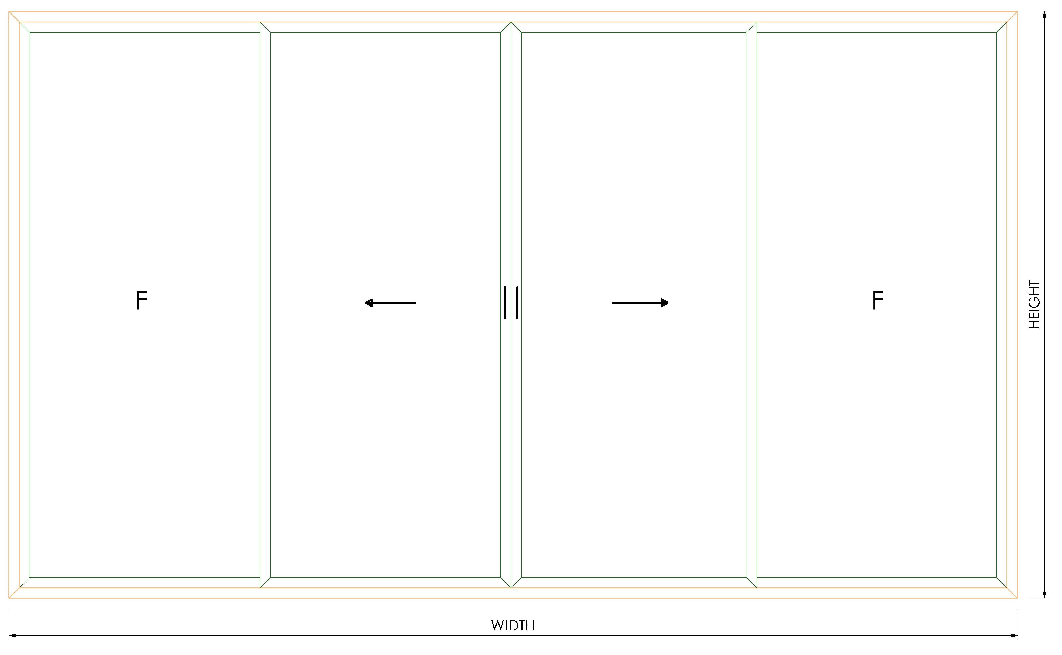 |  |  |  |  |  |  |  | 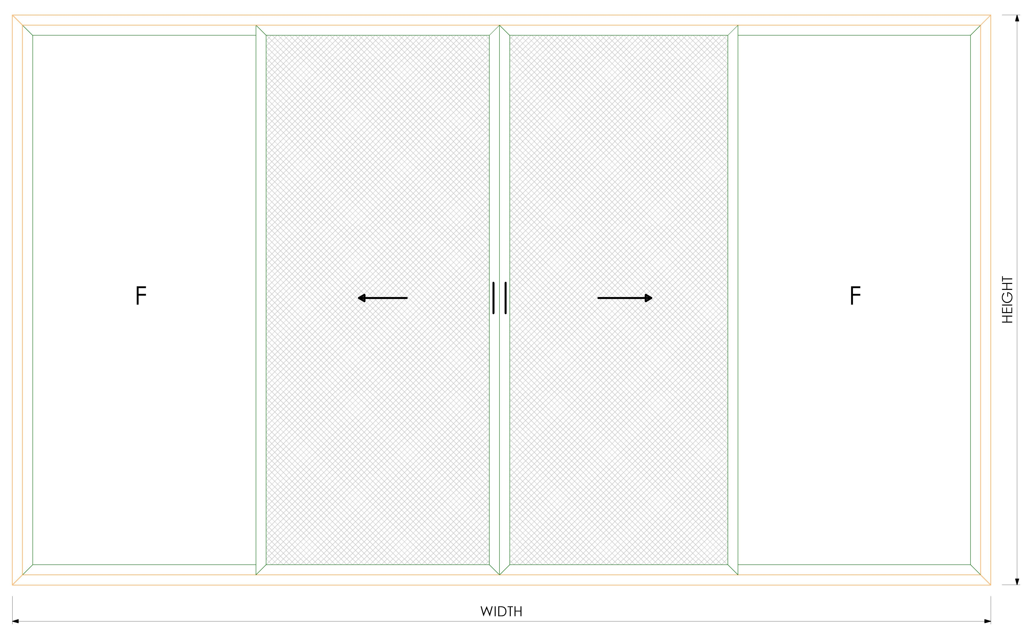
 |  | GDIL 6003 BEADING | -50 | 4 | 90 |  |  |  | 13-017 BEADING | -50 | 4 | 90 |  |  |  | 13-017 BEADING | -50 | 4 | 90 |  |  |  | 01-231 BEADING | -50 | 4 | 90 |  |  |  | GDIL 4058 BEADING | -50 | 4 | 90 |  |  |  |  | WINDOW SIZE |  |  | GLASS SIZES |  |  |  |  | WINDOW SIZE |  |  | GLASS SIZES |  |  |  | WINDOW SIZE |  |  | GLASS SIZES |  |  |  | 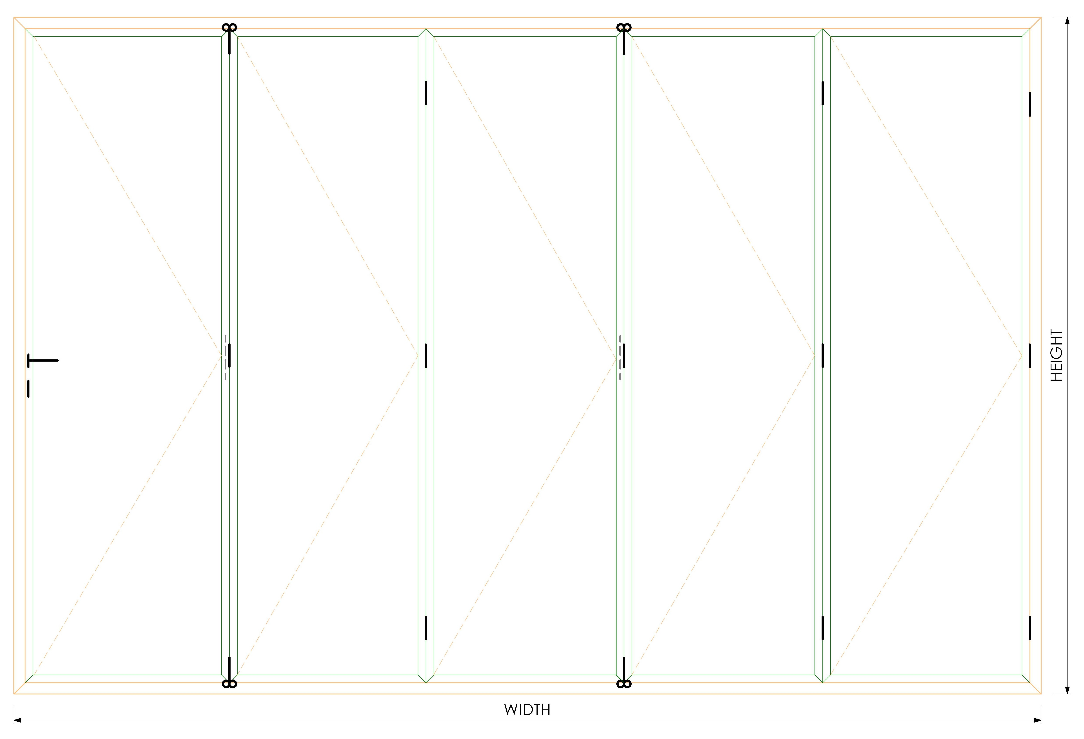 | OVERALL SIZE |  |  | GLASS SIZES
 |  | GDIL 6003 BEADING | 0 | 2 | 90 |  |  |  | 13-017 BEADING | 0 | 2 | 90 |  |  |  | 13-017 BEADING | 0 | 2 | 90 |  |  |  | 01-231 BEADING | 0 | 2 | 90 |  |  |  | GDIL 4058 BEADING | 0 | 2 | 90 |  |  |  |  | OVERALL WIDTH |  |  | WIDTH | HEIGHT | QUANTITY |  |  | OVERALL WIDTH |  |  | WIDTH | HEIGHT | QUANTITY |  | OVERALL WIDTH |  |  | WIDTH | HEIGHT | QUANTITY |  |  | OVERALL WIDTH |  |  | WIDTH | HEIGHT | QUANTITY
 |  | GDIL 6003 BEADING | -50 | 2 | 90 |  |  |  | 13-017 BEADING | -50 | 2 | 90 |  |  |  | 13-017 BEADING | -50 | 2 | 90 |  |  |  | 01-231 BEADING | -52 | 2 | 90 |  |  |  | GDIL 4058 BEADING | -50 | 2 | 90 |  |  |  |  | OVERALL HEIGHT |  |  | -109 | -202 | 4 |  |  | OVERALL HEIGHT |  |  | -109 | -202 | 4 |  | OVERALL HEIGHT |  |  | -127.5 | -199 | 2 |  |  | OVERALL HEIGHT |  |  | (102.40) | (184.50) | 5

 |  |  |  |  |  |  |  |  |  |  |  |  |  |  |  |  |  |  |  |  |  |  |  |  |  |  |  |  |  |  |  |  |  |  |  |  |  | PROFILES REQUIRED |  |  |  |  |  |  |  | PROFILES REQUIRED |  |  |  |  |  |  | PROFILES REQUIRED |  |  |  |  |  |  |  | PROFILES REQUIRED
 |  |  |  |  |  |  |  |  |  |  |  |  |  |  |  |  |  |  |  |  |  |  |  |  |  |  |  |  |  |  |  |  |  |  |  |  |  | PROFILE | SIZE | QUANTITY | CUT DEGREE |  |  |  |  | PROFILE | SIZE | QUANTITY | CUT DEGREE |  |  |  | PROFILE | SIZE | QUANTITY | CUT DEGREE |  |  |  |  | PROFILE | SIZE | QUANTITY | CUT DEGREE
 | 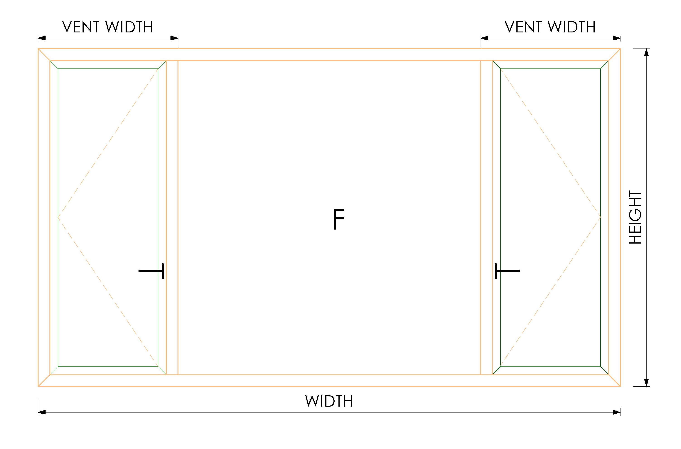 | WINDOW SIZE |  |  | GLASS SIZES |  |  |  | WINDOW SIZE |  |  | GLASS SIZES |  |  |  | WINDOW SIZE |  |  | GLASS SIZES |  |  |  | WINDOW SIZE |  |  | GLASS SIZES |  |  |  | WINDOW SIZE |  |  | GLASS SIZES |  |  |  |  | M14650 2 TRACK OUTERFRAME | 0 | 2 | 45 |  |  |  |  | M146527 3 TRACK OUTERFRAME | 0 | 2 | 45 |  |  |  | M9241 2 TRACK OUTERFRAME | 0 | 2 | 45 |  |  |  |  | M9838 TOP RAIL | - | 1 | 90
 |  | OVERALL WIDTH |  |  | WIDTH | HEIGHT | QUANTITY |  | OVERALL WIDTH |  |  | WIDTH | HEIGHT | QUANTITY |  | OVERALL WIDTH |  |  | WIDTH | HEIGHT | QUANTITY |  | OVERALL WIDTH |  |  | WIDTH | HEIGHT | QUANTITY |  | OVERALL WIDTH |  |  | WIDTH | HEIGHT | QUANTITY |  |  | M14650 2 TRACK OUTERFRAME | 0 | 2 | 45 |  |  |  |  | M146527 3 TRACK OUTERFRAME | 0 | 2 | 45 |  |  |  | M9241 2 TRACK OUTERFRAME | 0 | 2 | 45 |  |  |  |  | M9847 BOTTOM RAIL | - | 1 | 90 |  |  |  | 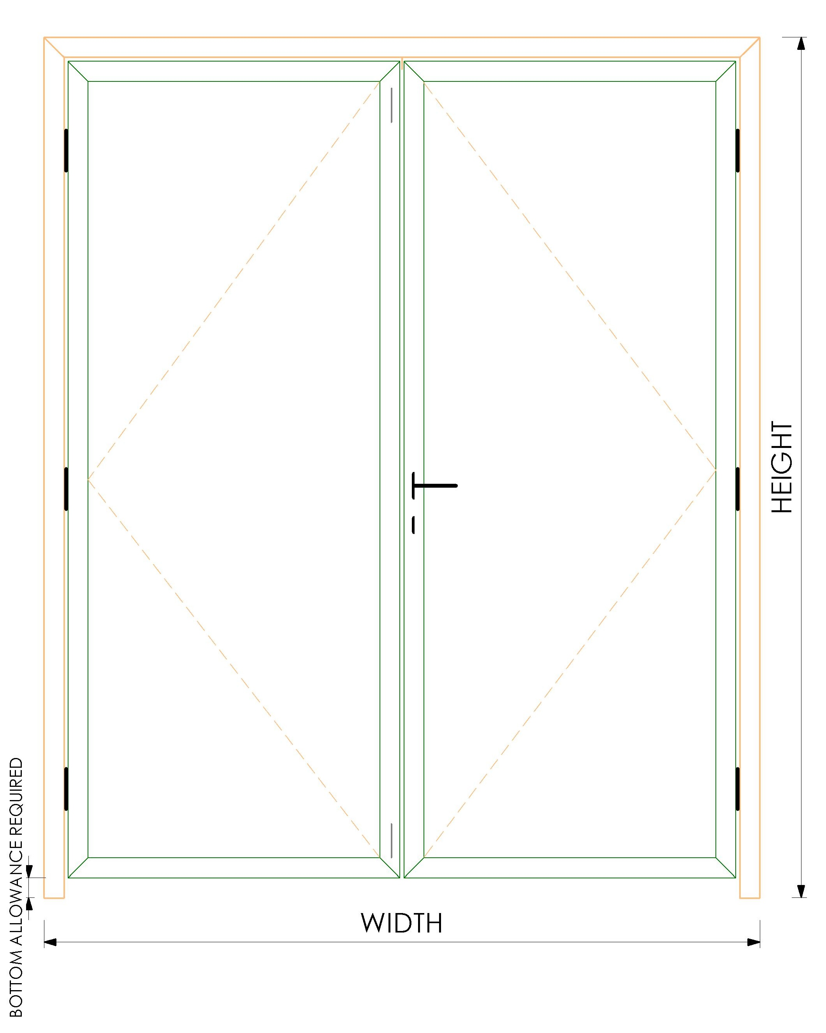 | OVERALL SIZE |  |  | GLASS SIZES |  |  |  | OVERALL SIZE |  |  | GLASS SIZES
 |  | OVERALL HEIGHT |  |  | -118 | -118 | 2 |  | OVERALL HEIGHT |  |  | -148 | -148 | 2 |  | OVERALL HEIGHT |  |  | -148 | -148 | 2 |  | OVERALL HEIGHT |  |  | -128 | -128 | 2 |  | OVERALL HEIGHT |  |  | -148 | -148 | 2 |  |  | M14632 SHASH | 25 | 8 | 45 |  |  |  |  | M14632 SHASH | 25 | 12 | 45 |  |  |  | M9292 SHASH | 6.5 | 4 | 45 |  |  |  |  | M9833 JAMB | (89.00) | 2 | 90 |  |  |  |  | OVERALL WIDTH |  |  | WIDTH | HEIGHT | QUANTITY |  | OVERALL WIDTH |  |  | WIDTH | HEIGHT | QUANTITY
 |  | VENT WIDTH |  |  | -6 | -56 | 1 |  | VENT WIDTH |  |  | -6 | -56 | 1 |  | VENT WIDTH |  |  | -6 | -56 | 1 |  | VENT WIDTH |  |  | -6 | -58 | 1 |  | VENT WIDTH |  |  | -6 | -56 | 1 |  |  | M14632 SHASH | -68 | 8 | 45 |  |  |  |  | M14632 SHASH | -68 | 12 | 45 |  |  |  | M9292 SHASH | -65 | 4 | 45 |  |  |  |  | M9834 SASH | (26.40) | 10 | 45 |  |  |  |  | OVERALL HEIGHT |  |  | (128.00) | (126.00) | 2 |  | OVERALL HEIGHT |  |  | (98.00) | (93.00) | 2
 |  |  |  |  |  |  |  |  |  |  |  |  |  |  |  |  |  |  |  |  |  |  |  |  |  |  |  |  |  |  |  |  |  |  |  |  |  | M14615 INTERLOCK | -68 | 4 | 90 |  |  |  |  | M14615 INTERLOCK | -68 | 8 | 90 |  |  |  | M9233 INTERLOCK | -65 | 2 | 90 |  |  |  |  | M9834 SASH | (108.50) | 10 | 45 |  |  |  |  | BOTTOM CLEARANCE REQUIRED |  |  |  |  |  |  | BOTTOM CLEARANCE REQUIRED
 |  | PROFILES REQUIRED |  |  |  |  |  |  | PROFILES REQUIRED |  |  |  |  |  |  | PROFILES REQUIRED |  |  |  |  |  |  | PROFILES REQUIRED |  |  |  |  |  |  | PROFILES REQUIRED |  |  |  |  |  |  |  | M14614 ADJOINING | -68 | 1 | 90 |  |  |  |  | M14614 ADJOINING | -68 | 2 | 90 |  |  |  | M9004 ADJOINING | -65 | 1 | 90 |  |  |  |  | M11453 BEADING | (96.40) | 10 | 90
 |  | PROFILE | SIZE | QUANTITY | CUT DEGREE |  |  |  | PROFILE | SIZE | QUANTITY | CUT DEGREE |  |  |  | PROFILE | SIZE | QUANTITY | CUT DEGREE |  |  |  | PROFILE | SIZE | QUANTITY | CUT DEGREE |  |  |  | PROFILE | SIZE | QUANTITY | CUT DEGREE |  |  |  |  | 100-020M | 0 | 2 | 90 |  |  |  |  | 100-020M | 0 | 2 | 90 |  |  |  |  |  |  |  |  |  |  |  | M11453 BEADING | (178.50) | 10 | 90 |  |  |  |  | PROFILES REQUIRED |  |  |  |  |  |  | PROFILES REQUIRED
 |  | GDIL 6001 OUTERFRAME | 0 | 2 | 45 |  |  |  | 16-086 OUTERFRAME | 0 | 2 | 45 |  |  |  | 13-024 OUTERFRAME | 0 | 2 | 45 |  |  |  | 90-001 OUTERFRAME | 0 | 2 | 45 |  |  |  | GDIL 4054 OUTERFRAME | 0 | 2 | 45 |  |  |  |  |  |  |  |  |  |  |  |  |  |  |  |  |  |  |  |  |  |  |  |  |  |  |  | M9805 STOPPER | - | 1 | 90 |  |  |  |  | PROFILE | SIZE | QUANTITY | CUT DEGREE |  |  |  | PROFILE | SIZE | QUANTITY | CUT DEGREE
 |  | GDIL 6001 OUTERFRAME | 0 | 2 | 45 |  |  |  | 16-086 OUTERFRAME | 0 | 2 | 45 |  |  |  | 13-024 OUTERFRAME | 0 | 2 | 45 |  |  |  | 90-001 OUTERFRAME | 0 | 2 | 45 |  |  |  | GDIL 4054 OUTERFRAME | 0 | 2 | 45 |  |  |  |  |  |  |  |  |  |  |  |  |  |  |  |  |  |  |  |  |  |  |  |  |  |  |  | M9806 WOOLPHILE | (26.40) | 10 | 90 |  |  |  |  | 79-015 OUTERFRAME | - | 1 | 45 |  |  |  | GDIL 6001 OUTERFRAME | - | 1 | 45
 |  | GDIL 6013 TRANSOM | -50 | 2 | 90 |  |  |  | 13-025 TRANSOM | -50 | 2 | 90 |  |  |  | 13-025 TRANSOM | -50 | 2 | 90 |  |  |  | 09-002 TRANSOM | -52 | 2 | 90 |  |  |  | GDIL 4060 TRANSOM | -50 | 2 | 90 |  |  |  |  |  |  |  |  |  |  |  |  |  |  |  |  |  |  |  |  |  |  |  |  |  |  |  |  |  |  |  |  |  |  |  | 79-015 OUTERFRAME | - | 2 | 45 |  |  |  | GDIL 6001 OUTERFRAME | - | 2 | 45
 |  | GDIL 6005 VENT | -42 | 4 | 45 |  |  |  | 13-021 VENT | -42 | 4 | 45 |  |  |  | 13-021 VENT | -42 | 4 | 45 |  |  |  | 09-002 VENT | -42 | 4 | 45 |  |  |  | GDIL 4056 VENT | -42 | 4 | 45 |  |  |  |  |  |  |  |  |  |  |  |  |  |  |  |  |  |  |  |  |  |  |  |  |  |  |  |  |  |  |  |  |  |  |  | 79-017 VENT | (22) | 4 | 45 |  |  |  | GDIL 6005 VENT | (22) | 4 | 45
 |  | GDIL 6005 VENT | -42 | 4 | 45 |  |  |  | 13-021 VENT | -42 | 4 | 45 |  |  |  | 13-021 VENT | -42 | 4 | 45 |  |  |  | 09-002 VENT | -42 | 4 | 45 |  |  |  | GDIL 4056 VENT | -42 | 4 | 45 |  |  |  |  |  |  |  |  |  |  |  |  |  |  |  |  |  |  |  |  |  |  |  |  |  |  |  |  |  |  |  |  |  |  |  | 79-017 VENT | (20) | 4 | 45 |  |  |  | GDIL 6005 VENT | (17) | 4 | 45
 |  | GDIL 6003 BEADING | -112 | 4 | 90 |  |  |  | 13-017 BEADING | -142 | 4 | 90 |  |  |  | 13-017 BEADING | -142 | 4 | 90 |  |  |  | 01-231 BEADING | -122 | 4 | 90 |  |  |  | GDIL 4058 BEADING | -142 | 4 | 90 |  |  |  |  |  |  |  | GLASS SIZES |  |  |  |  |  |  |  |  |  |  |  |  |  |  |  |  |  |  | 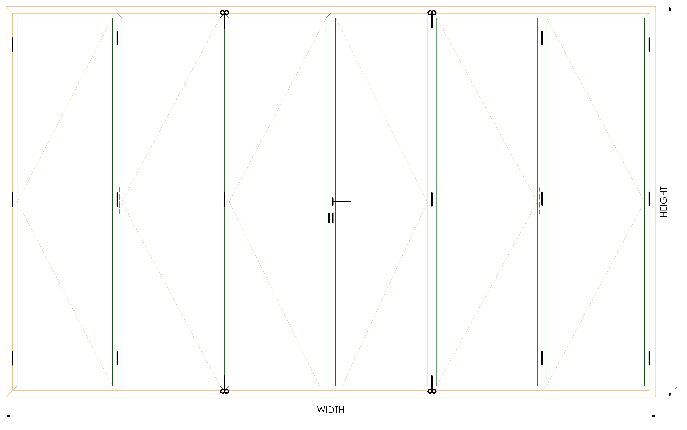 | OVERALL SIZE |  |  | GLASS SIZES |  |  |  |  | 79-017 TRANSOM ADJOINDING | (20) | 1 | 90 |  |  |  | GDIL 6013 TRANSOM ADJOINDING | (17) | 1 | 90
 |  | GDIL 6003 BEADING | -112 | 4 | 90 |  |  |  | 13-017 BEADING | -142 | 4 | 90 |  |  |  | 13-017 BEADING | -142 | 4 | 90 |  |  |  | 01-231 BEADING | -122 | 4 | 90 |  |  |  | GDIL 4058 BEADING | -142 | 4 | 90 |  |  |  | 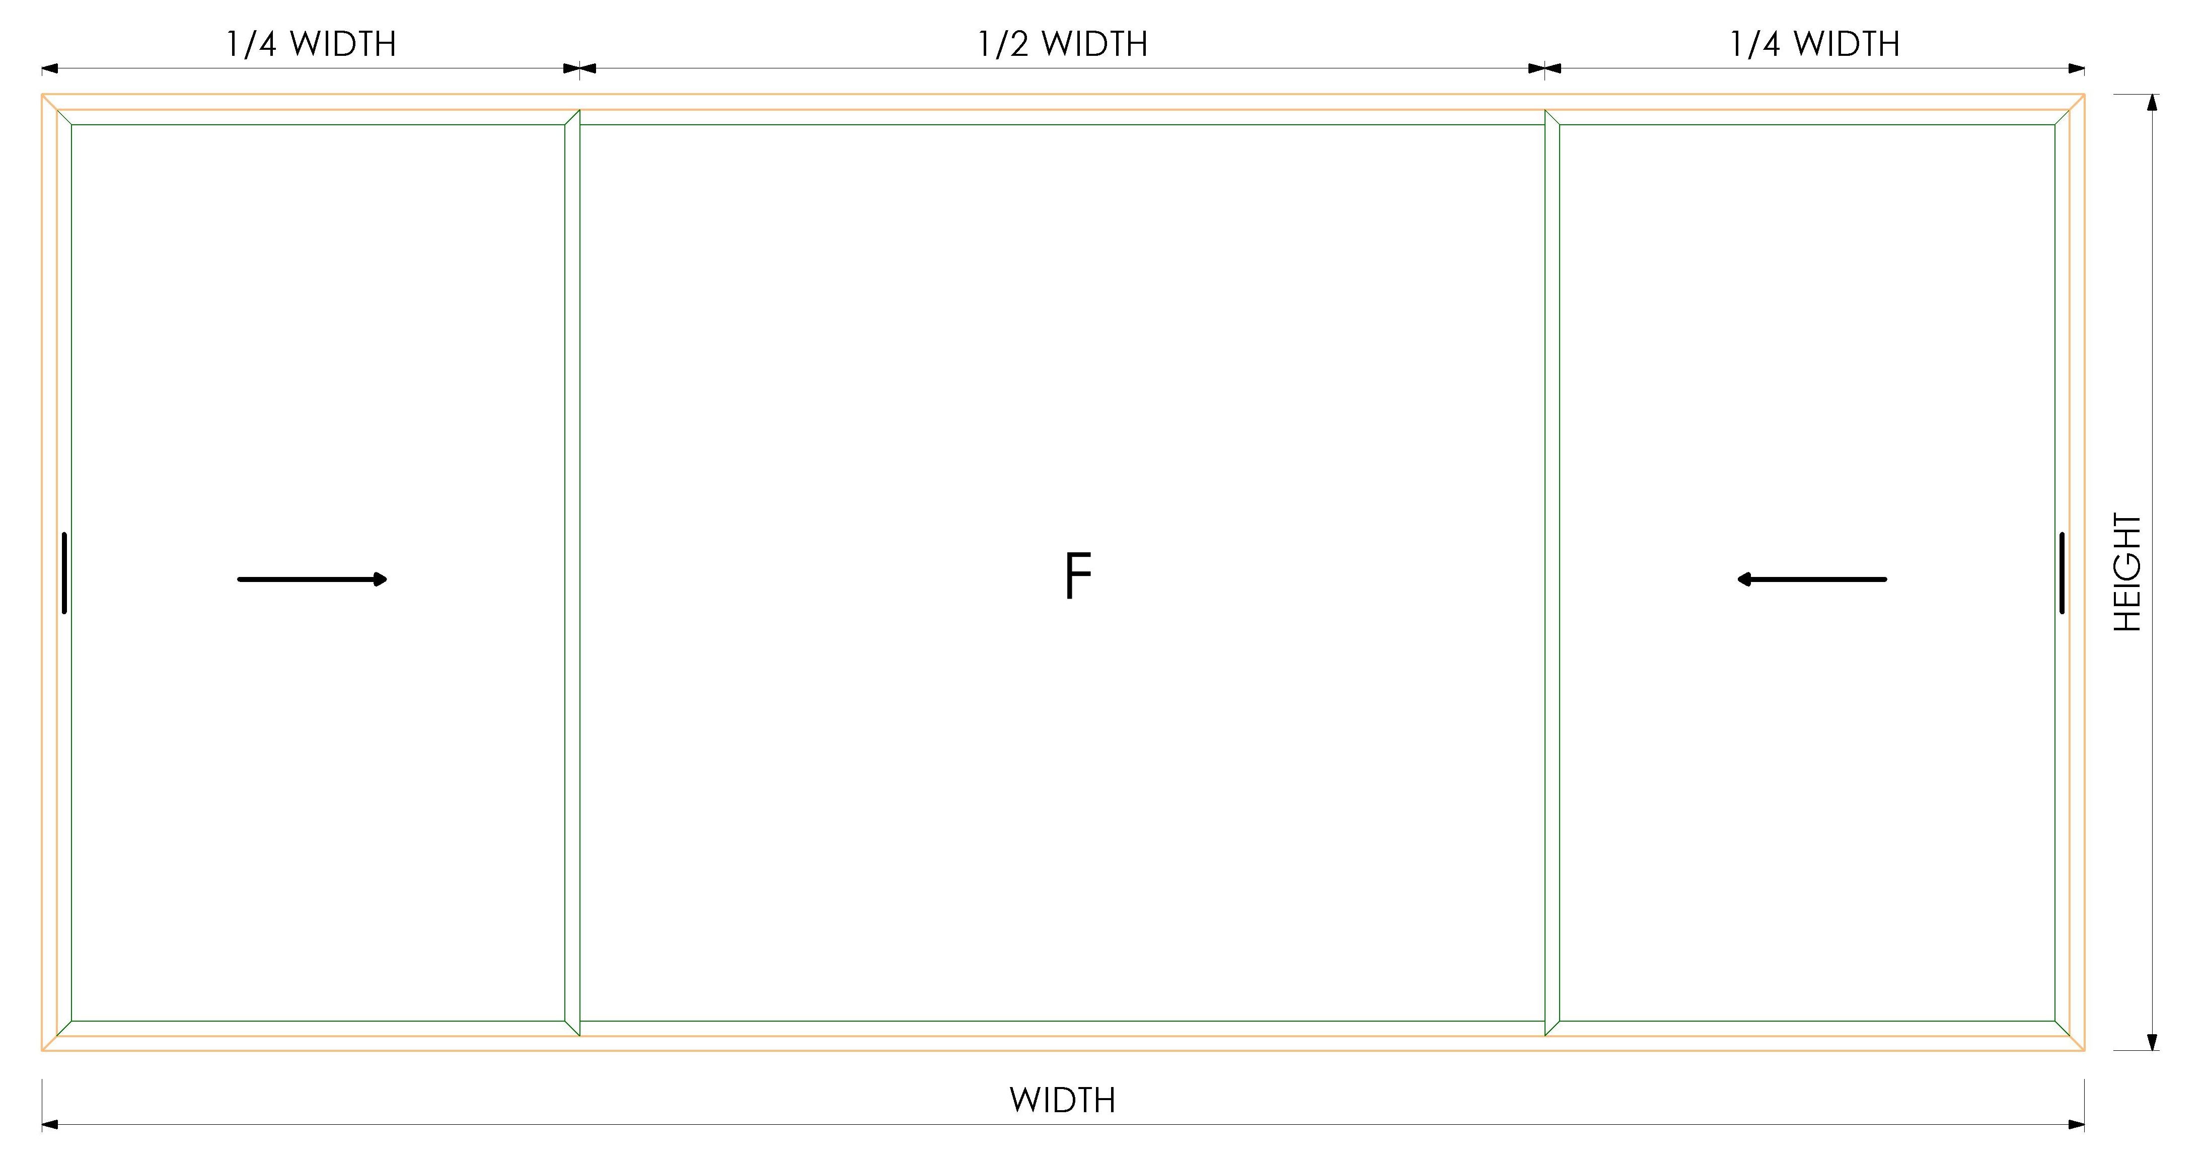 | WINDOW SIZE |  |  | WIDTH | HEIGHT | QUANTITY |  | 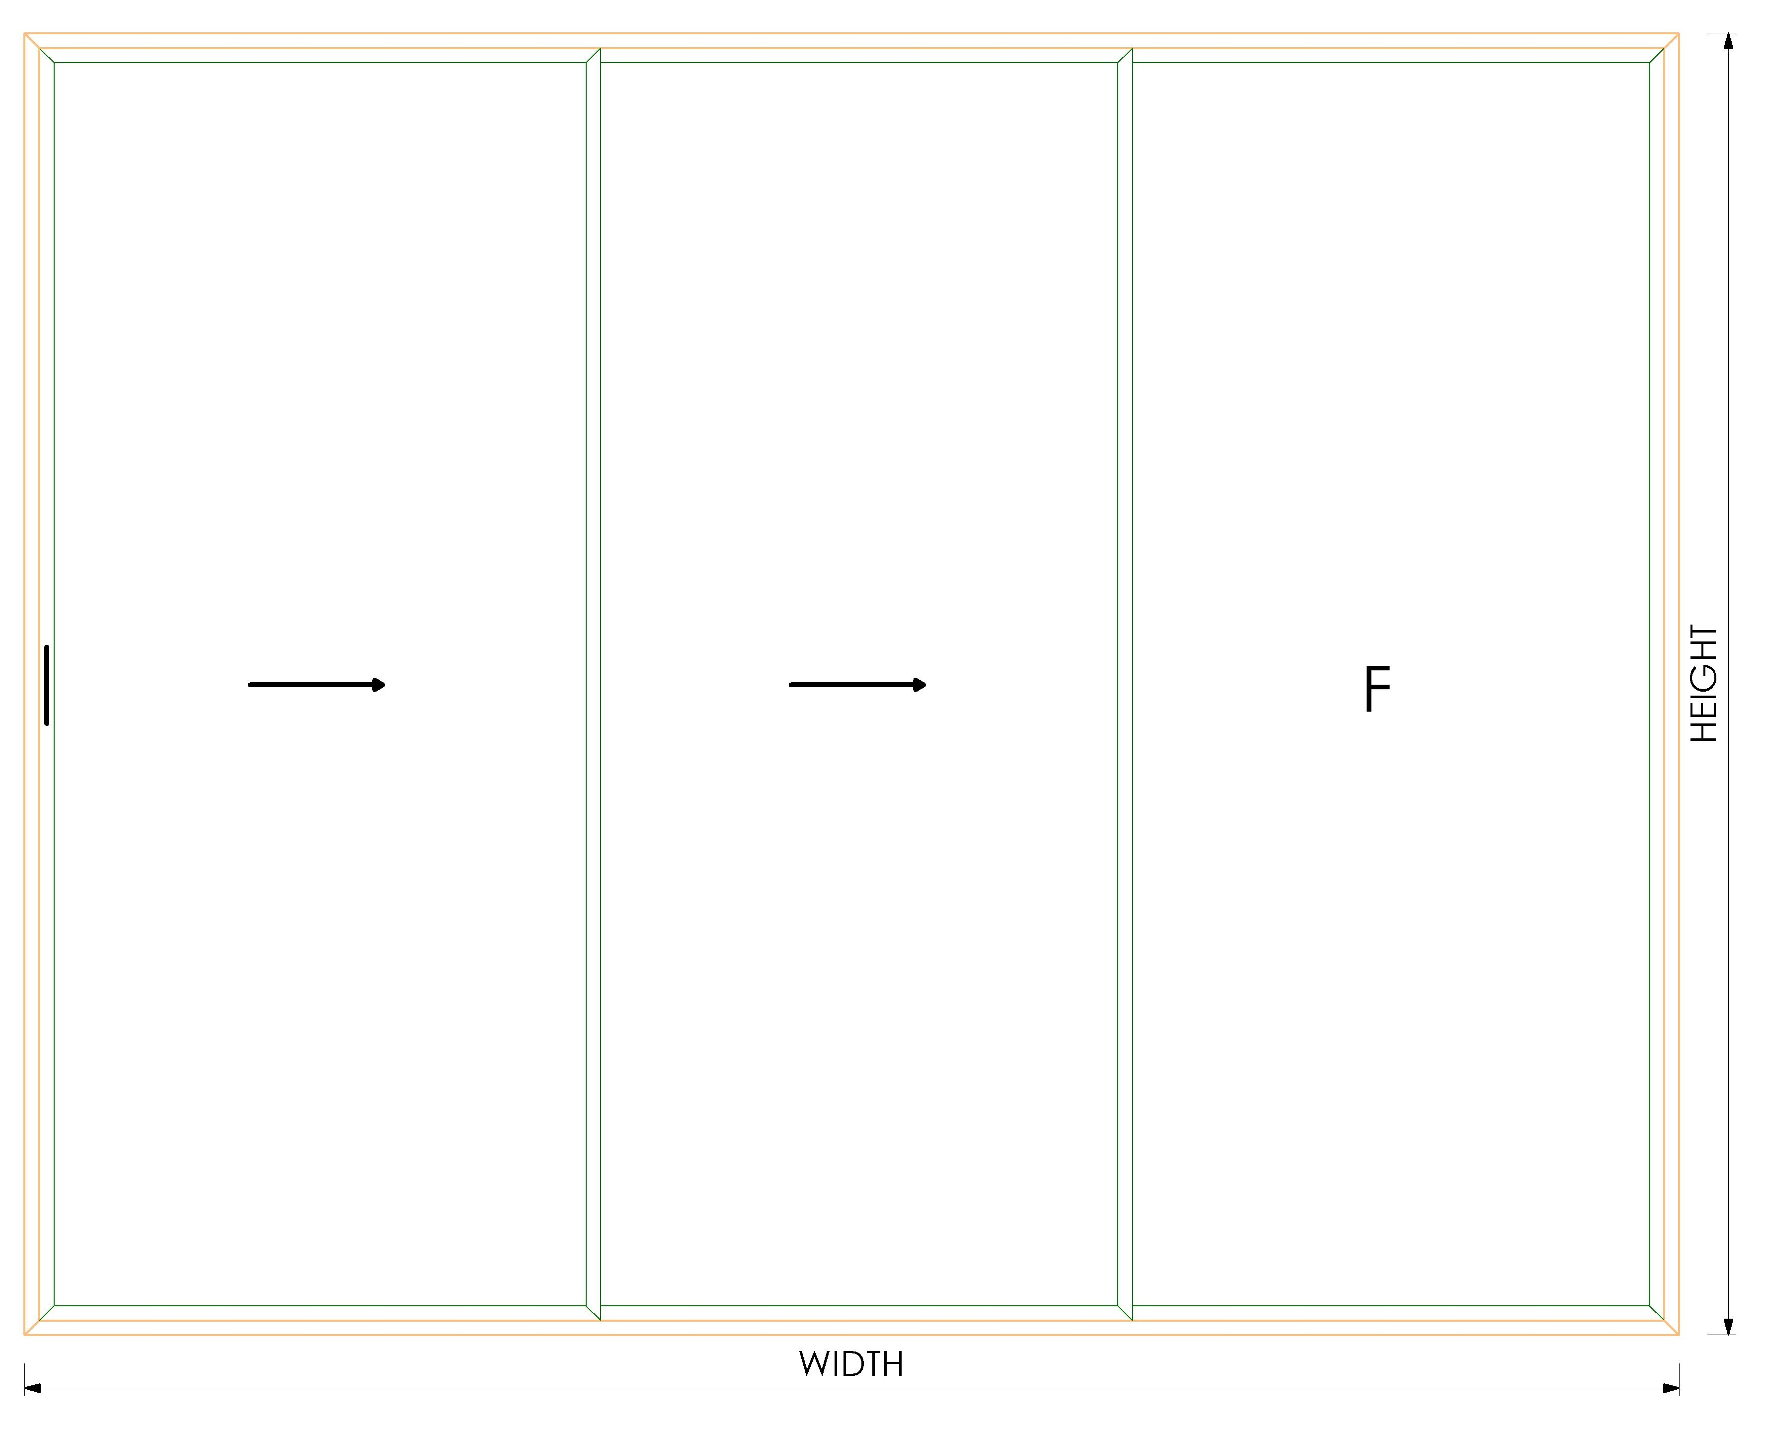 | OVERALL SIZE |  |  | GLASS SIZES |  |  |  |  |  |  |  |  |  |  |  | OVERALL WIDTH |  |  | WIDTH | HEIGHT | QUANTITY |  |  | 79-032 BEADING | (122) | 4 | 90 |  |  |  | GDIL 6003 BEADING | (92) | 4 | 90
 |  | GDIL 6003 BEADING | 0 | 2 | 90 |  |  |  | 13-017 BEADING | 0 | 2 | 90 |  |  |  | 13-017 BEADING | 0 | 2 | 90 |  |  |  | 01-231 BEADING | 0 | 2 | 90 |  |  |  | GDIL 4058 BEADING | 0 | 2 | 90 |  |  |  |  | OVERALL WIDTH |  |  | -74 | -202 | 1 |  |  | OVERALL WIDTH |  |  | WIDTH | HEIGHT | QUANTITY |  |  |  |  |  |  |  |  |  | OVERALL HEIGHT |  |  | (100.00) | (184.50) | 6 |  |  | 79-032 BEADING | (120) | 4 | 90 |  |  |  | GDIL 6003 BEADING | (87) | 4 | 90
 |  | GDIL 6003 BEADING | -50 | 2 | 90 |  |  |  | 13-017 BEADING | -50 | 2 | 90 |  |  |  | 13-017 BEADING | -50 | 2 | 90 |  |  |  | 01-231 BEADING | -52 | 2 | 90 |  |  |  | GDIL 4058 BEADING | -50 | 2 | 90 |  |  |  |  | OVERALL HEIGHT |  |  | -104 | -202 | 2 |  |  | OVERALL HEIGHT |  |  | -94 | -194 | 3
 |  |  |  |  |  |  |  |  |  |  |  |  |  |  |  |  |  |  |  |  |  |  |  |  |  |  |  |  |  |  |  |  |  |  |  |  |  |  |  |  |  |  |  |  |  |  |  |  |  |  |  |  |  |  |  |  |  |  |  |  | PROFILES REQUIRED
 |  |  |  |  |  |  |  |  |  |  |  |  |  |  |  |  |  |  |  |  |  |  |  |  |  |  |  |  |  |  |  |  |  |  |  |  |  | PROFILES REQUIRED |  |  |  |  |  |  |  | PROFILES REQUIRED |  |  |  |  |  |  |  |  |  |  |  |  |  |  | PROFILE | SIZE | QUANTITY | CUT DEGREE
 |  |  |  |  |  |  |  |  |  |  |  |  |  |  |  |  |  |  |  |  |  |  |  |  |  |  |  |  |  |  |  |  |  |  |  |  |  | PROFILE | SIZE | QUANTITY | CUT DEGREE |  |  |  |  | PROFILE | SIZE | QUANTITY | CUT DEGREE |  |  |  |  |  |  |  |  |  |  |  | M9838 TOP RAIL | - | 1 | 90
 | 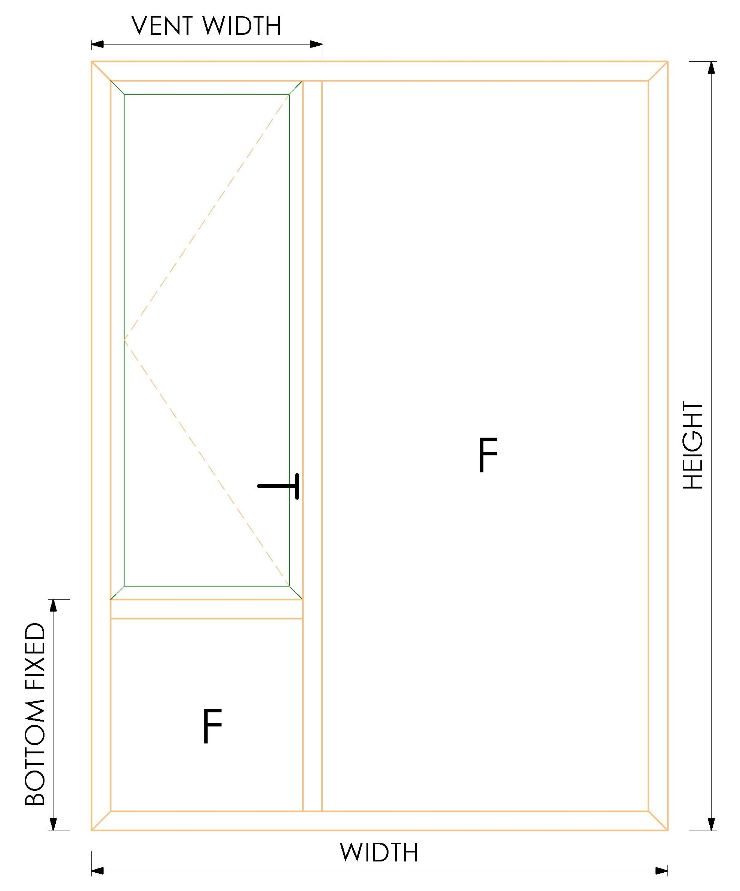 | WINDOW SIZE |  |  | GLASS SIZES |  |  |  | WINDOW SIZE |  |  | GLASS SIZES |  |  |  | WINDOW SIZE |  |  | GLASS SIZES |  |  |  | WINDOW SIZE |  |  | GLASS SIZES |  |  |  | WINDOW SIZE |  |  | GLASS SIZES |  |  |  |  | M14650 2 TRACK OUTERFRAME | 0 | 2 | 45 |  |  |  |  | M146527 3 TRACK OUTERFRAME | 0 | 2 | 45 |  |  |  |  |  |  |  |  |  |  |  | M9847 BOTTOM RAIL | - | 1 | 90
 |  | OVERALL WIDTH |  |  | WIDTH | HEIGHT | QUANTITY |  | OVERALL WIDTH |  |  | WIDTH | HEIGHT | QUANTITY |  | OVERALL WIDTH |  |  | WIDTH | HEIGHT | QUANTITY |  | OVERALL WIDTH |  |  | WIDTH | HEIGHT | QUANTITY |  | OVERALL WIDTH |  |  | WIDTH | HEIGHT | QUANTITY |  |  | M14650 2 TRACK OUTERFRAME | 0 | 2 | 45 |  |  |  |  | M146527 3 TRACK OUTERFRAME | 0 | 2 | 45 |  |  |  |  |  |  |  |  |  |  |  | M9833 JAMB | (89.00) | 2 | 90
 |  | OVERALL HEIGHT |  |  | -118 | -93 | 1 |  | OVERALL HEIGHT |  |  | -148 | -123 | 1 |  | OVERALL HEIGHT |  |  | -148 | -123 | 1 |  | OVERALL HEIGHT |  |  | -128 | -101 | 1 |  | OVERALL HEIGHT |  |  | -148 | -123 | 1 |  |  | M14632 SHASH | 60 | 2 | 45 |  |  |  |  | M14632 SHASH | 40 | 6 | 45 |  |  |  |  |  |  |  |  |  |  |  | M9834 SASH | (24.00) | 12 | 45
 |  | VENT WIDTH |  |  | -56 | -56 | 1 |  | VENT WIDTH |  |  | -56 | -56 | 1 |  | VENT WIDTH |  |  | -56 | -56 | 1 |  | VENT WIDTH |  |  | -58 | -58 | 1 |  | VENT WIDTH |  |  | -56 | -56 | 1 |  |  | M14632 SHASH | 30 | 4 | 45 |  |  |  |  | M14632 SHASH | -60 | 6 | 45 |  |  |  |  |  |  |  |  |  |  |  | M9834 SASH | (108.50) | 12 | 45
 |  | BOTTOM FIXED HEIGHT |  |  | -31 | -56 | 1 |  | BOTTOM FIXED HEIGHT |  |  | -31 | -56 | 1 |  | BOTTOM FIXED HEIGHT |  |  | -31 | -56 | 1 |  | BOTTOM FIXED HEIGHT |  |  | -31 | -58 | 1 |  | BOTTOM FIXED HEIGHT |  |  | -31 | -56 | 1 |  |  | M14632 SHASH | -68 | 6 | 45 |  |  |  |  | M14615 INTERLOCK | -60 | 4 | 90 |  |  |  |  |  |  |  |  |  |  |  | M11453 BEADING | (94.00) | 12 | 90
 |  |  |  |  |  |  |  |  |  |  |  |  |  |  |  |  |  |  |  |  |  |  |  |  |  |  |  |  |  |  |  |  |  |  |  |  |  | M14615 INTERLOCK | -68 | 4 | 90 |  |  |  |  | 100-020M | 0 | 2 | 90 |  |  |  |  |  |  |  |  |  |  |  | M11453 BEADING | (178.50) | 12 | 90
 |  | PROFILES REQUIRED |  |  |  |  |  |  | PROFILES REQUIRED |  |  |  |  |  |  | PROFILES REQUIRED |  |  |  |  |  |  | PROFILES REQUIRED |  |  |  |  |  |  | PROFILES REQUIRED |  |  |  |  |  |  |  | 100-020M | 0 | 1 | 90 |  |  |  |  |  |  |  |  |  |  |  |  |  |  |  |  |  |  |  | M9805 STOPPER | - | 1 | 90
 |  | PROFILE | SIZE | QUANTITY | CUT DEGREE |  |  |  | PROFILE | SIZE | QUANTITY | CUT DEGREE |  |  |  | PROFILE | SIZE | QUANTITY | CUT DEGREE |  |  |  | PROFILE | SIZE | QUANTITY | CUT DEGREE |  |  |  | PROFILE | SIZE | QUANTITY | CUT DEGREE |  |  |  |  |  |  |  |  |  |  |  |  |  |  |  |  |  |  |  |  |  |  |  |  |  |  |  | M9806 WOOLPHILE | (24.00) | 12 | 90 |  |  |  | 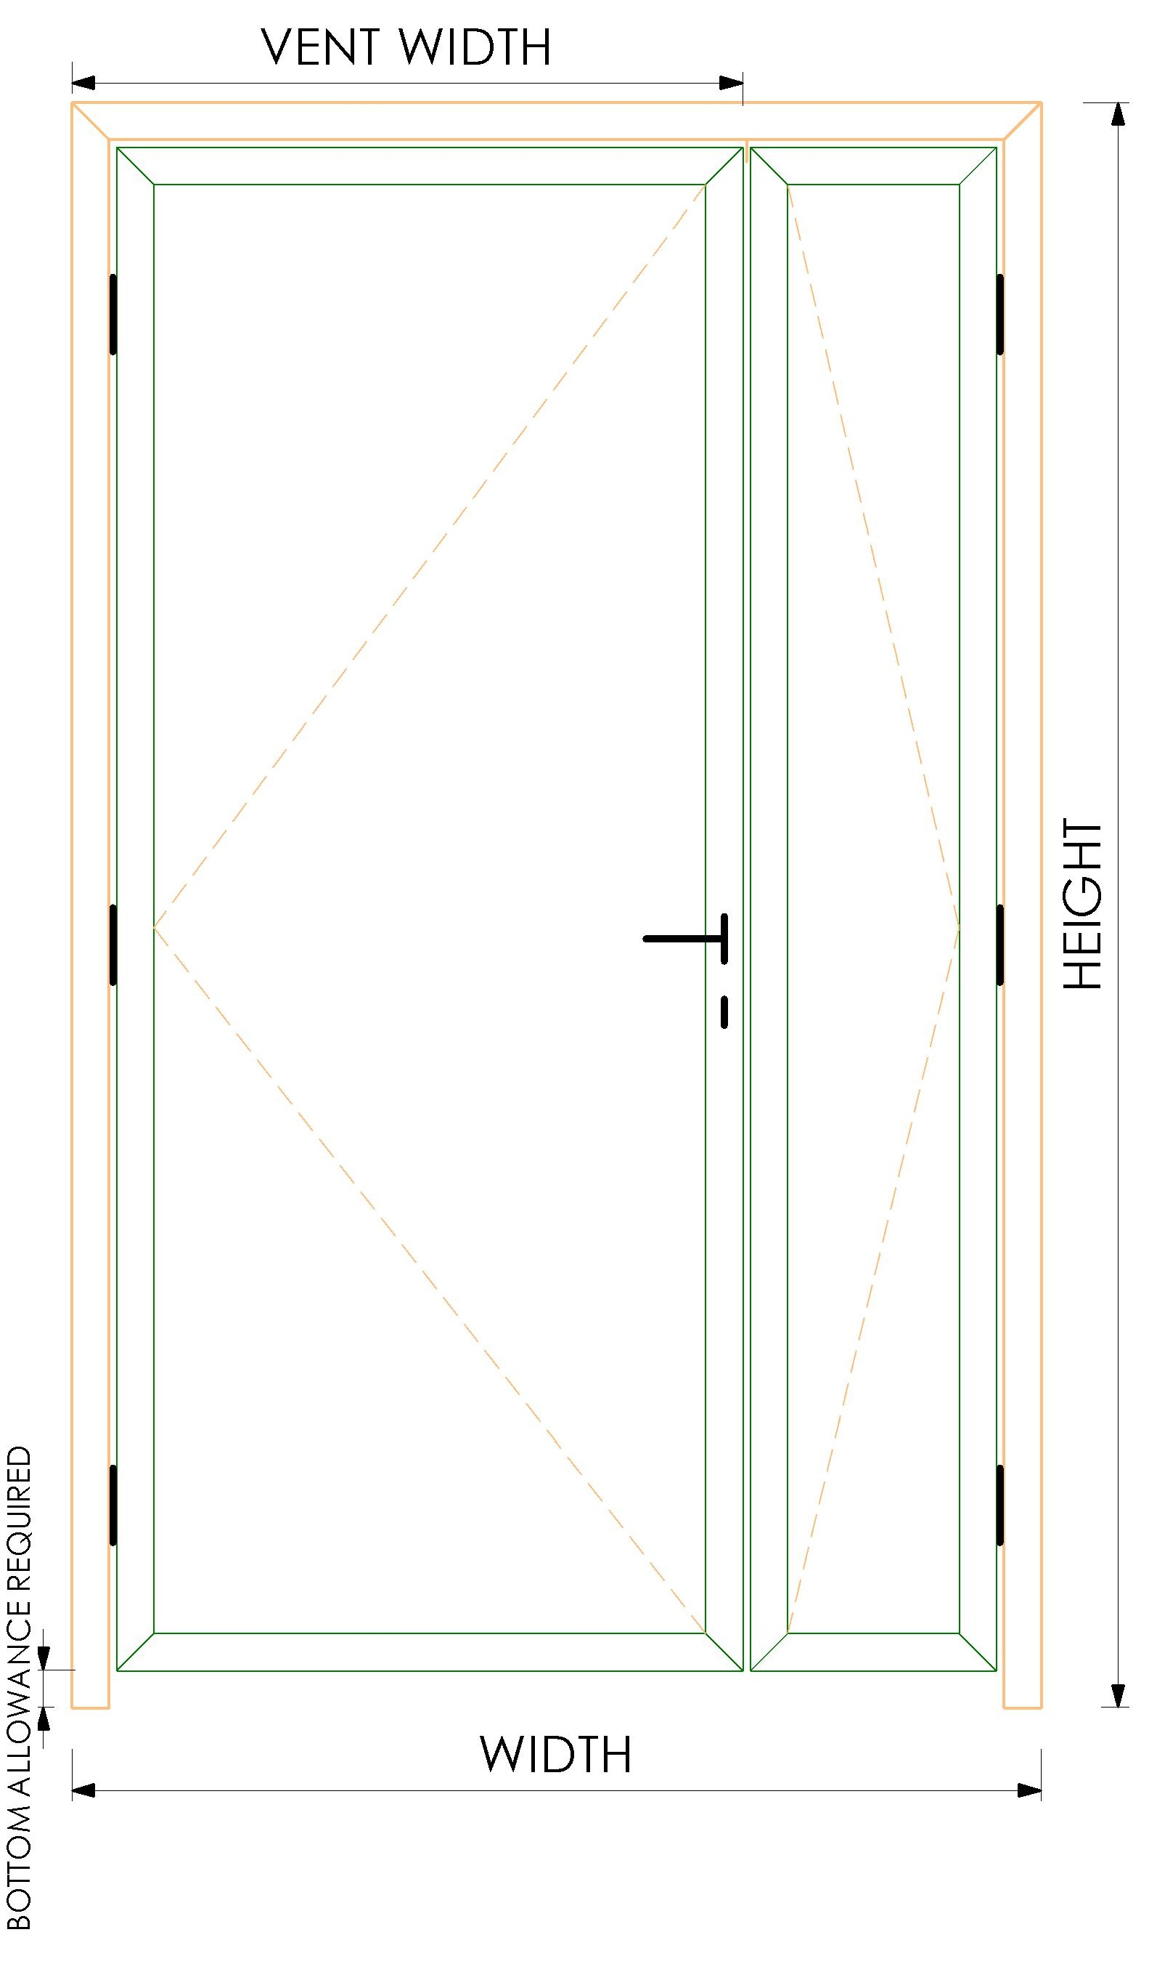 | OVERALL SIZE |  |  | GLASS SIZES |  |  |  | OVERALL SIZE |  |  | GLASS SIZES
 |  | GDIL 6001 OUTERFRAME | 0 | 2 | 45 |  |  |  | 16-086 OUTERFRAME | 0 | 2 | 45 |  |  |  | 13-024 OUTERFRAME | 0 | 2 | 45 |  |  |  | 90-001 OUTERFRAME | 0 | 2 | 45 |  |  |  | GDIL 4054 OUTERFRAME | 0 | 2 | 45 |  |  |  |  |  |  |  |  |  |  |  |  |  |  |  |  |  |  |  |  |  |  |  |  |  |  |  |  |  |  |  |  |  |  |  | OVERALL WIDTH |  |  | WIDTH | HEIGHT | QUANTITY |  | OVERALL WIDTH |  |  | WIDTH | HEIGHT | QUANTITY
 |  | GDIL 6001 OUTERFRAME | 0 | 2 | 45 |  |  |  | 16-086 OUTERFRAME | 0 | 2 | 45 |  |  |  | 13-024 OUTERFRAME | 0 | 2 | 45 |  |  |  | 90-001 OUTERFRAME | 0 | 2 | 45 |  |  |  | GDIL 4054 OUTERFRAME | 0 | 2 | 45 |  |  |  |  |  |  |  |  |  |  |  |  |  |  |  |  |  |  |  |  |  |  |  |  |  |  |  |  |  |  |  |  |  |  |  | OVERALL HEIGHT |  |  | (128) | (126) | 1 |  | OVERALL HEIGHT |  |  | (89) | (93) | 1
 |  | GDIL 6013 TRANSOM | -50 | 1 | 90 |  |  |  | 13-025 TRANSOM | -50 | 1 | 90 |  |  |  | 13-025 TRANSOM | -50 | 1 | 90 |  |  |  | 09-002 TRANSOM | -52 | 1 | 90 |  |  |  | GDIL 4060 TRANSOM | -50 | 1 | 90 |  |  |  |  |  |  |  |  |  |  |  |  |  |  |  |  |  |  |  |  |  |  |  |  |  |  |  |  |  |  |  |  |  |  |  | MAIN VENT WIDTH |  |  | (128) | (126) | 1 |  | MAIN VENT WIDTH |  |  | (89) | (93) | 1
 |  | GDIL 6013 TRANSOM | -50 | 1 | 90 |  |  |  | 13-025 TRANSOM | -50 | 1 | 90 |  |  |  | 13-025 TRANSOM | -50 | 1 | 90 |  |  |  | 09-002 TRANSOM | -52 | 1 | 90 |  |  |  | GDIL 4060 TRANSOM | -50 | 1 | 90 |  |  |  |  |  |  |  |  |  |  |  |  |  |  |  |  |  |  |  |  |  |  |  |  |  |  | 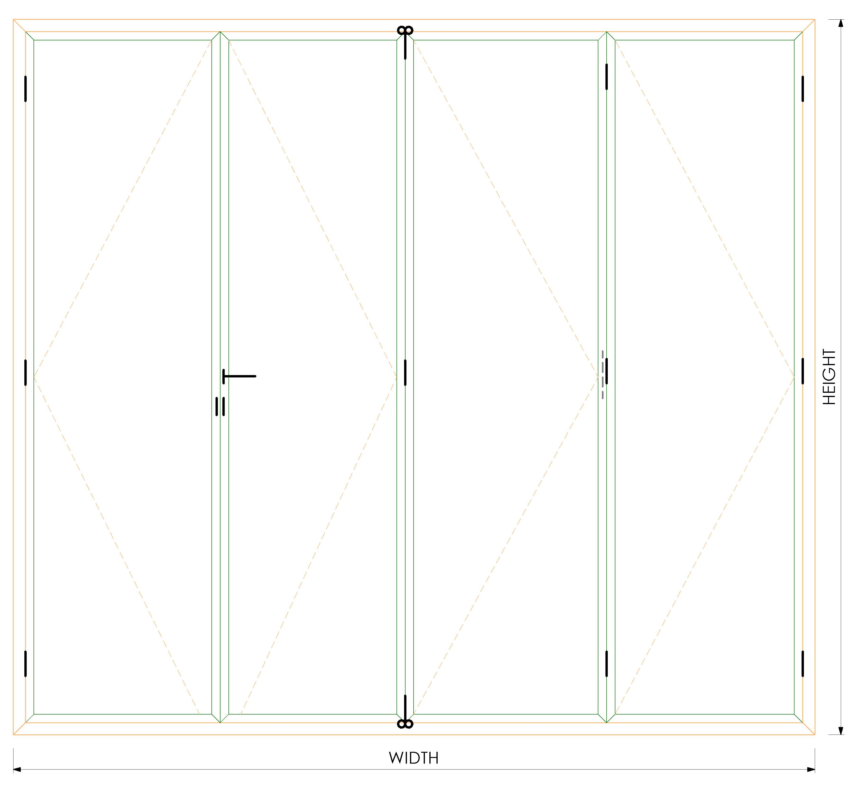 | OVERALL SIZE |  |  | GLASS SIZES |  |  |  |  | BOTTOM CLEARANCE REQUIRED |  |  |  |  |  |  | BOTTOM CLEARANCE REQUIRED
 |  | GDIL 6005 VENT | -42 | 2 | 45 |  |  |  | 13-021 VENT | -42 | 2 | 45 |  |  |  | 13-021 VENT | -42 | 2 | 45 |  |  |  | 09-002 VENT | -42 | 2 | 45 |  |  |  | GDIL 4056 VENT | -42 | 2 | 45 |  |  |  |  |  |  |  |  |  |  |  |  |  |  |  |  |  |  |  |  |  |  |  |  |  |  |  | OVERALL WIDTH |  |  | WIDTH | HEIGHT | QUANTITY
 |  | GDIL 6005 VENT | -17 | 2 | 45 |  |  |  | 13-021 VENT | -17 | 2 | 45 |  |  |  | 13-021 VENT | -17 | 2 | 45 |  |  |  | 09-002 VENT | -15 | 2 | 45 |  |  |  | GDIL 4056 VENT | -17 | 2 | 45 |  |  |  |  |  |  |  |  |  |  |  |  |  |  |  |  |  |  |  |  |  |  |  |  |  |  |  | OVERALL HEIGHT |  |  | (100.00) | (184.50) | 4 |  |  | PROFILES REQUIRED |  |  |  |  |  |  | PROFILES REQUIRED
 |  | GDIL 6003 BEADING | -112 | 2 | 90 |  |  |  | 13-017 BEADING | -142 | 2 | 90 |  |  |  | 13-017 BEADING | -142 | 2 | 90 |  |  |  | 01-231 BEADING | -122 | 2 | 90 |  |  |  | GDIL 4058 BEADING | -142 | 2 | 90 |  |  |  |  |  |  |  |  |  |  |  |  |  |  |  |  |  |  |  |  |  |  |  |  |  |  |  |  |  |  |  |  |  |  |  | PROFILE | SIZE | QUANTITY | CUT DEGREE |  |  |  | PROFILE | SIZE | QUANTITY | CUT DEGREE
 |  | GDIL 6003 BEADING | -87 | 2 | 90 |  |  |  | 13-017 BEADING | -117 | 2 | 90 |  |  |  | 13-017 BEADING | -117 | 2 | 90 |  |  |  | 01-231 BEADING | -95 | 2 | 90 |  |  |  | GDIL 4058 BEADING | -117 | 2 | 90 |  |  |  |  |  |  |  |  |  |  |  |  |  |  |  |  |  |  |  |  |  |  |  |  |  |  |  | PROFILES REQUIRED |  |  |  |  |  |  |  | 79-015 OUTERFRAME | - | 1 | 45 |  |  |  | GDIL 6001 OUTERFRAME | - | 1 | 45
 |  | GDIL 6003 BEADING | -50 | 2 | 90 |  |  |  | 13-017 BEADING | -50 | 2 | 90 |  |  |  | 13-017 BEADING | -50 | 2 | 90 |  |  |  | 01-231 BEADING | -52 | 2 | 90 |  |  |  | GDIL 4058 BEADING | -50 | 2 | 90 |  |  |  |  |  |  |  |  |  |  |  |  |  |  |  |  |  |  |  |  |  |  |  |  |  |  |  | PROFILE | SIZE | QUANTITY | CUT DEGREE |  |  |  |  | 79-015 OUTERFRAME | - | 2 | 45 |  |  |  | GDIL 6001 OUTERFRAME | - | 2 | 45
 |  | GDIL 6003 BEADING | -50 | 2 | 90 |  |  |  | 13-017 BEADING | -50 | 2 | 90 |  |  |  | 13-017 BEADING | -50 | 2 | 90 |  |  |  | 01-231 BEADING | -52 | 2 | 90 |  |  |  | GDIL 4058 BEADING | -50 | 2 | 90 |  |  |  |  |  |  |  |  |  |  |  |  |  |  |  |  |  |  |  |  |  |  |  |  |  |  |  | M9838 TOP RAIL | - | 1 | 90 |  |  |  |  | 79-017 VENT | (22) | 2 | 45 |  |  |  | GDIL 6005 VENT | (13) | 2 | 45
 |  | GDIL 6003 BEADING | -25 | 2 | 90 |  |  |  | 13-017 BEADING | -25 | 2 | 90 |  |  |  | 13-017 BEADING | -25 | 2 | 90 |  |  |  | 01-231 BEADING | -25 | 2 | 90 |  |  |  | GDIL 4058 BEADING | -25 | 2 | 90 |  |  |  |  |  |  |  |  |  |  |  |  |  |  |  |  |  |  |  |  |  |  |  |  |  |  |  | M9847 BOTTOM RAIL | - | 1 | 90 |  |  |  |  | 79-017 VENT | (20) | 2 | 45 |  |  |  | GDIL 6005 VENT | (17) | 2 | 45
 |  | GDIL 6003 BEADING | -50 | 2 | 90 |  |  |  | 13-017 BEADING | -50 | 2 | 90 |  |  |  | 13-017 BEADING | -50 | 2 | 90 |  |  |  | 01-231 BEADING | -52 | 2 | 90 |  |  |  | GDIL 4058 BEADING | -50 | 2 | 90 |  |  |  |  |  |  |  |  |  |  |  |  |  |  |  |  |  |  |  |  |  |  |  |  |  |  |  | M9833 JAMB | (89.00) | 2 | 90 |  |  |  |  | 79-017 VENT | (22) | 2 | 45 |  |  |  | GDIL 6005 VENT | (13) | 2 | 45
 |  |  |  |  |  |  |  |  |  |  |  |  |  |  |  |  |  |  |  |  |  |  |  |  |  |  |  |  |  |  |  |  |  |  |  |  |  |  |  |  |  |  |  |  |  |  |  |  |  |  |  |  |  |  |  |  |  |  |  |  | M9834 SASH | (24.00) | 8 | 45 |  |  |  |  | 79-017 VENT | (20) | 2 | 45 |  |  |  | GDIL 6005 VENT | (17) | 2 | 45
 |  |  |  |  |  |  |  |  |  |  |  |  |  |  |  |  |  |  |  |  |  |  |  |  |  |  |  |  |  |  |  |  |  |  |  |  |  |  |  |  |  |  |  |  |  |  |  |  |  |  |  |  |  |  |  |  |  |  |  |  | M9834 SASH | (108.50) | 8 | 45 |  |  |  |  | 79-017 TRANSOM ADJOINDING | (20) | 1 | 90 |  |  |  | GDIL 6013 TRANSOM ADJOINDING | (17) | 1 | 90
 |  |  |  |  |  |  |  |  |  |  |  |  |  |  |  |  |  |  |  |  |  |  |  |  |  |  |  |  |  |  |  |  |  |  |  |  |  |  |  |  |  |  |  |  |  |  |  |  |  |  |  |  |  |  |  |  |  |  |  |  | M11453 BEADING | (94.00) | 8 | 90 |  |  |  |  | 79-032 BEADING | (122) | 2 | 90 |  |  |  | GDIL 6003 BEADING | (83) | 2 | 90
 | 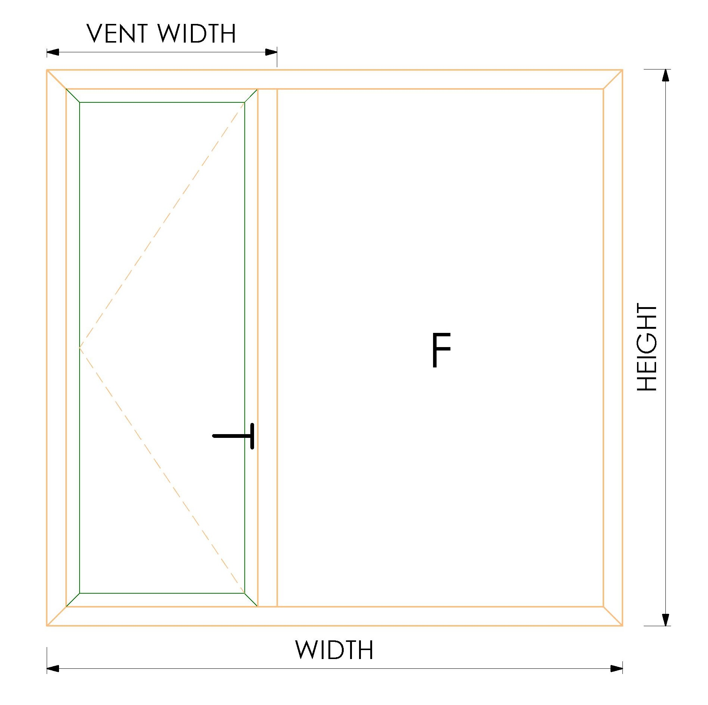 | WINDOW SIZE |  |  | GLASS SIZES |  |  |  | WINDOW SIZE |  |  | GLASS SIZES |  |  |  | WINDOW SIZE |  |  | GLASS SIZES |  |  |  | WINDOW SIZE |  |  | GLASS SIZES |  |  |  | WINDOW SIZE |  |  | GLASS SIZES |  |  |  |  |  |  |  |  |  |  |  |  |  |  |  |  |  |  |  |  |  |  |  |  |  |  |  | M11453 BEADING | (178.50) | 8 | 90 |  |  |  |  | 79-032 BEADING | (120) | 2 | 90 |  |  |  | GDIL 6003 BEADING | (87) | 2 | 90
 |  | OVERALL WIDTH |  |  | WIDTH | HEIGHT | QUANTITY |  | OVERALL WIDTH |  |  | WIDTH | HEIGHT | QUANTITY |  | OVERALL WIDTH |  |  | WIDTH | HEIGHT | QUANTITY |  | OVERALL WIDTH |  |  | WIDTH | HEIGHT | QUANTITY |  | OVERALL WIDTH |  |  | WIDTH | HEIGHT | QUANTITY |  |  |  |  |  |  |  |  |  |  |  |  |  |  |  |  |  |  |  |  |  |  |  |  |  | M9805 STOPPER | - | 1 | 90 |  |  |  |  | 79-032 BEADING | (122) | 2 | 90 |  |  |  | GDIL 6003 BEADING | (83) | 2 | 90
 |  | OVERALL HEIGHT |  |  | -118 | -118 | 1 |  | OVERALL HEIGHT |  |  | -148 | -148 | 1 |  | OVERALL HEIGHT |  |  | -148 | -148 | 1 |  | OVERALL HEIGHT |  |  | -128 | -128 | 1 |  | OVERALL HEIGHT |  |  | -148 | -148 | 1 |  |  |  |  |  |  |  |  |  |  |  |  |  |  |  |  |  |  |  |  |  |  |  |  |  | M9806 WOOLPHILE | (24.00) | 8 | 90 |  |  |  |  | 79-032 BEADING | (120) | 2 | 90 |  |  |  | GDIL 6003 BEADING | (87) | 2 | 90
 |  | VENT WIDTH |  |  | -31 | -56 | 1 |  | VENT WIDTH |  |  | -31 | -56 | 1 |  | VENT WIDTH |  |  | -31 | -56 | 1 |  | VENT WIDTH |  |  | -31 | -58 | 1 |  | VENT WIDTH |  |  | -31 | -56 | 1

 |  | PROFILES REQUIRED |  |  |  |  |  |  | PROFILES REQUIRED |  |  |  |  |  |  | PROFILES REQUIRED |  |  |  |  |  |  | PROFILES REQUIRED |  |  |  |  |  |  | PROFILES REQUIRED
 |  | PROFILE | SIZE | QUANTITY | CUT DEGREE |  |  |  | PROFILE | SIZE | QUANTITY | CUT DEGREE |  |  |  | PROFILE | SIZE | QUANTITY | CUT DEGREE |  |  |  | PROFILE | SIZE | QUANTITY | CUT DEGREE |  |  |  | PROFILE | SIZE | QUANTITY | CUT DEGREE
 |  | GDIL 6001 OUTERFRAME | 0 | 2 | 45 |  |  |  | 16-086 OUTERFRAME | 0 | 2 | 45 |  |  |  | 13-024 OUTERFRAME | 0 | 2 | 45 |  |  |  | 90-001 OUTERFRAME | 0 | 2 | 45 |  |  |  | GDIL 4054 OUTERFRAME | 0 | 2 | 45
 |  | GDIL 6001 OUTERFRAME | 0 | 2 | 45 |  |  |  | 16-086 OUTERFRAME | 0 | 2 | 45 |  |  |  | 13-024 OUTERFRAME | 0 | 2 | 45 |  |  |  | 90-001 OUTERFRAME | 0 | 2 | 45 |  |  |  | GDIL 4054 OUTERFRAME | 0 | 2 | 45
 |  | GDIL 6013 TRANSOM | -50 | 1 | 90 |  |  |  | 13-025 TRANSOM | -50 | 1 | 90 |  |  |  | 13-025 TRANSOM | -50 | 1 | 90 |  |  |  | 09-002 TRANSOM | -52 | 1 | 90 |  |  |  | GDIL 4060 TRANSOM | -50 | 1 | 90
 |  | GDIL 6005 VENT | -42 | 2 | 45 |  |  |  | 13-021 VENT | -42 | 2 | 45 |  |  |  | 13-021 VENT | -42 | 2 | 45 |  |  |  | 09-002 VENT | -42 | 2 | 45 |  |  |  | GDIL 4056 VENT | -42 | 2 | 45
 |  | GDIL 6005 VENT | -42 | 2 | 45 |  |  |  | 13-021 VENT | -42 | 2 | 45 |  |  |  | 13-021 VENT | -42 | 2 | 45 |  |  |  | 09-002 VENT | -42 | 2 | 45 |  |  |  | GDIL 4056 VENT | -42 | 2 | 45
 |  | GDIL 6003 BEADING | -112 | 2 | 90 |  |  |  | 13-017 BEADING | -142 | 2 | 90 |  |  |  | 13-017 BEADING | -142 | 2 | 90 |  |  |  | 01-231 BEADING | -122 | 2 | 90 |  |  |  | GDIL 4058 BEADING | -142 | 2 | 90
 |  | GDIL 6003 BEADING | -112 | 2 | 90 |  |  |  | 13-017 BEADING | -142 | 2 | 90 |  |  |  | 13-017 BEADING | -142 | 2 | 90 |  |  |  | 01-231 BEADING | -122 | 2 | 90 |  |  |  | GDIL 4058 BEADING | -142 | 2 | 90
 |  | GDIL 6003 BEADING | -25 | 2 | 90 |  |  |  | 13-017 BEADING | -25 | 2 | 90 |  |  |  | 13-017 BEADING | -25 | 2 | 90 |  |  |  | 01-231 BEADING | -25 | 2 | 90 |  |  |  | GDIL 4058 BEADING | -25 | 2 | 90
 |  | GDIL 6003 BEADING | -50 | 2 | 90 |  |  |  | 13-017 BEADING | -50 | 2 | 90 |  |  |  | 13-017 BEADING | -50 | 2 | 90 |  |  |  | 01-231 BEADING | -52 | 2 | 90 |  |  |  | GDIL 4058 BEADING | -50 | 2 | 90

 | 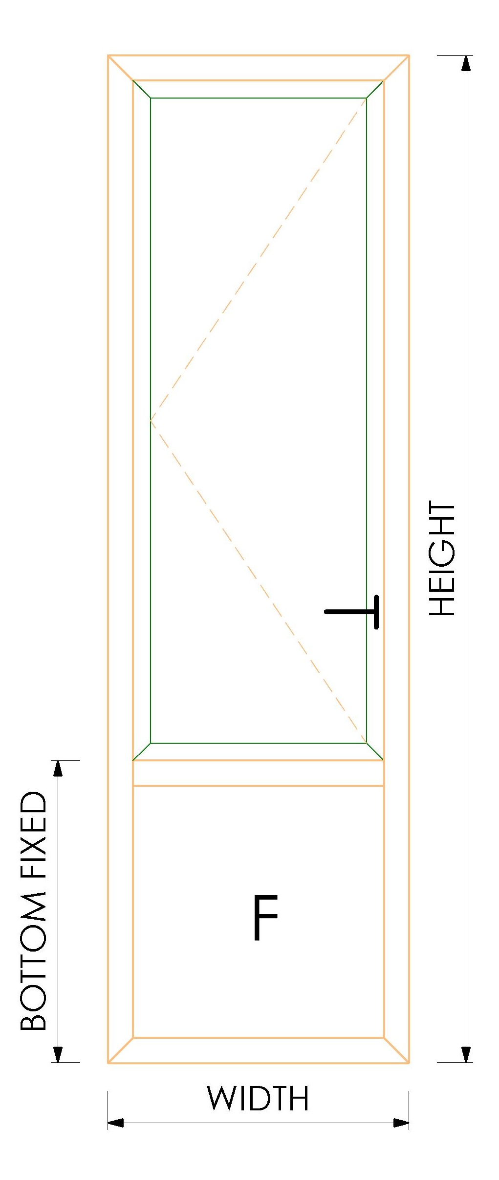 | WINDOW SIZE |  |  | GLASS SIZES |  |  |  | WINDOW SIZE |  |  | GLASS SIZES |  |  |  | WINDOW SIZE |  |  | GLASS SIZES |  |  |  | WINDOW SIZE |  |  | GLASS SIZES |  |  |  | WINDOW SIZE |  |  | GLASS SIZES
 |  | OVERALL WIDTH |  |  | WIDTH | HEIGHT | QUANTITY |  | OVERALL WIDTH |  |  | WIDTH | HEIGHT | QUANTITY |  | OVERALL WIDTH |  |  | WIDTH | HEIGHT | QUANTITY |  | OVERALL WIDTH |  |  | WIDTH | HEIGHT | QUANTITY |  | OVERALL WIDTH |  |  | WIDTH | HEIGHT | QUANTITY
 |  | OVERALL HEIGHT |  |  | -118 | -93 | 1 |  | OVERALL HEIGHT |  |  | -148 | -123 | 1 |  | OVERALL HEIGHT |  |  | -148 | -123 | 1 |  | OVERALL HEIGHT |  |  | -128 | -101 | 1 |  | OVERALL HEIGHT |  |  | -148 | -123 | 1
 |  | BOTTOM FIXED HEIGHT |  |  | -56 | -56 | 1 |  | BOTTOM FIXED HEIGHT |  |  | -56 | -56 | 1 |  | BOTTOM FIXED HEIGHT |  |  | -56 | -56 | 1 |  | BOTTOM FIXED HEIGHT |  |  | -58 | -58 | 1 |  | BOTTOM FIXED HEIGHT |  |  | -56 | -56 | 1

 |  | PROFILES REQUIRED |  |  |  |  |  |  | PROFILES REQUIRED |  |  |  |  |  |  | PROFILES REQUIRED |  |  |  |  |  |  | PROFILES REQUIRED |  |  |  |  |  |  | PROFILES REQUIRED
 |  | PROFILE | SIZE | QUANTITY | CUT DEGREE |  |  |  | PROFILE | SIZE | QUANTITY | CUT DEGREE |  |  |  | PROFILE | SIZE | QUANTITY | CUT DEGREE |  |  |  | PROFILE | SIZE | QUANTITY | CUT DEGREE |  |  |  | PROFILE | SIZE | QUANTITY | CUT DEGREE
 |  | GDIL 6001 OUTERFRAME | 0 | 2 | 45 |  |  |  | 16-086 OUTERFRAME | 0 | 2 | 45 |  |  |  | 13-024 OUTERFRAME | 0 | 2 | 45 |  |  |  | 90-001 OUTERFRAME | 0 | 2 | 45 |  |  |  | GDIL 4054 OUTERFRAME | 0 | 2 | 45
 |  | GDIL 6001 OUTERFRAME | 0 | 2 | 45 |  |  |  | 16-086 OUTERFRAME | 0 | 2 | 45 |  |  |  | 13-024 OUTERFRAME | 0 | 2 | 45 |  |  |  | 90-001 OUTERFRAME | 0 | 2 | 45 |  |  |  | GDIL 4054 OUTERFRAME | 0 | 2 | 45
 |  | GDIL 6013 TRANSOM | -50 | 1 | 90 |  |  |  | 13-025 TRANSOM | -50 | 1 | 90 |  |  |  | 13-025 TRANSOM | -50 | 1 | 90 |  |  |  | 09-002 TRANSOM | -52 | 1 | 90 |  |  |  | GDIL 4060 TRANSOM | -50 | 1 | 90
 |  | GDIL 6005 VENT | -42 | 2 | 45 |  |  |  | 13-021 VENT | -42 | 2 | 45 |  |  |  | 13-021 VENT | -42 | 2 | 45 |  |  |  | 09-002 VENT | -42 | 2 | 45 |  |  |  | GDIL 4056 VENT | -42 | 2 | 45
 |  | GDIL 6005 VENT | -17 | 2 | 45 |  |  |  | 13-021 VENT | -17 | 2 | 45 |  |  |  | 13-021 VENT | -17 | 2 | 45 |  |  |  | 09-002 VENT | -15 | 2 | 45 |  |  |  | GDIL 4056 VENT | -17 | 2 | 45
 |  | GDIL 6003 BEADING | -112 | 2 | 90 |  |  |  | 13-017 BEADING | -142 | 2 | 90 |  |  |  | 13-017 BEADING | -142 | 2 | 90 |  |  |  | 01-231 BEADING | -122 | 2 | 90 |  |  |  | GDIL 4058 BEADING | -142 | 2 | 90
 |  | GDIL 6003 BEADING | -87 | 2 | 90 |  |  |  | 13-017 BEADING | -117 | 2 | 90 |  |  |  | 13-017 BEADING | -117 | 2 | 90 |  |  |  | 01-231 BEADING | -95 | 2 | 90 |  |  |  | GDIL 4058 BEADING | -117 | 2 | 90
 |  | GDIL 6003 BEADING | -50 | 2 | 90 |  |  |  | 13-017 BEADING | -50 | 2 | 90 |  |  |  | 13-017 BEADING | -50 | 2 | 90 |  |  |  | 01-231 BEADING | -52 | 2 | 90 |  |  |  | GDIL 4058 BEADING | -50 | 2 | 90
 |  | GDIL 6003 BEADING | -50 | 2 | 90 |  |  |  | 13-017 BEADING | -50 | 2 | 90 |  |  |  | 13-017 BEADING | -50 | 2 | 90 |  |  |  | 01-231 BEADING | -52 | 2 | 90 |  |  |  | GDIL 4058 BEADING | -50 | 2 | 90

 | 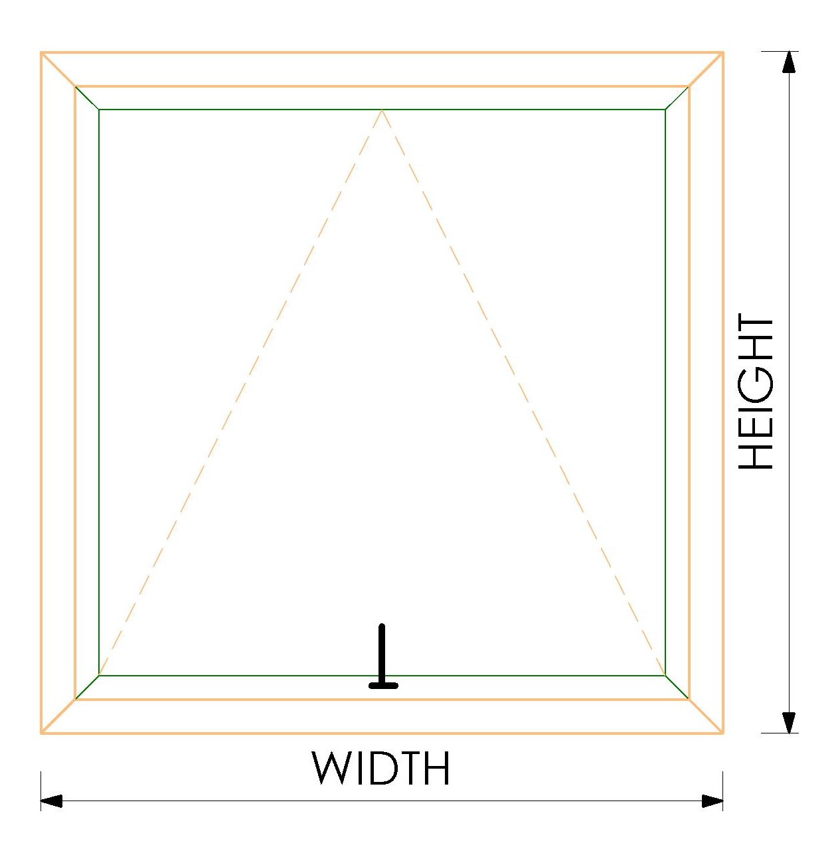 | WINDOW SIZE |  |  | GLASS SIZES |  |  |  | WINDOW SIZE |  |  | GLASS SIZES |  |  |  | WINDOW SIZE |  |  | GLASS SIZES |  |  |  | WINDOW SIZE |  |  | GLASS SIZES |  |  |  | WINDOW SIZE |  |  | GLASS SIZES
 |  | OVERALL WIDTH |  |  | WIDTH | HEIGHT | QUANTITY |  | OVERALL WIDTH |  |  | WIDTH | HEIGHT | QUANTITY |  | OVERALL WIDTH |  |  | WIDTH | HEIGHT | QUANTITY |  | OVERALL WIDTH |  |  | WIDTH | HEIGHT | QUANTITY |  | OVERALL WIDTH |  |  | WIDTH | HEIGHT | QUANTITY
 |  | OVERALL HEIGHT |  |  | -118 | -118 | 1 |  | OVERALL HEIGHT |  |  | -148 | -148 | 1 |  | OVERALL HEIGHT |  |  | -148 | -148 | 1 |  | OVERALL HEIGHT |  |  | -128 | -128 | 1 |  | OVERALL HEIGHT |  |  | -148 | -148 | 1

 |  | PROFILES REQUIRED |  |  |  |  |  |  | PROFILES REQUIRED |  |  |  |  |  |  | PROFILES REQUIRED |  |  |  |  |  |  | PROFILES REQUIRED |  |  |  |  |  |  | PROFILES REQUIRED
 |  | PROFILE | SIZE | QUANTITY | CUT DEGREE |  |  |  | PROFILE | SIZE | QUANTITY | CUT DEGREE |  |  |  | PROFILE | SIZE | QUANTITY | CUT DEGREE |  |  |  | PROFILE | SIZE | QUANTITY | CUT DEGREE |  |  |  | PROFILE | SIZE | QUANTITY | CUT DEGREE
 |  | GDIL 6001 OUTERFRAME | 0 | 2 | 45 |  |  |  | 16-086 OUTERFRAME | 0 | 2 | 45 |  |  |  | 13-024 OUTERFRAME | 0 | 2 | 45 |  |  |  | 90-001 OUTERFRAME | 0 | 2 | 45 |  |  |  | GDIL 4054 OUTERFRAME | 0 | 2 | 45
 |  | GDIL 6001 OUTERFRAME | 0 | 2 | 45 |  |  |  | 16-086 OUTERFRAME | 0 | 2 | 45 |  |  |  | 13-024 OUTERFRAME | 0 | 2 | 45 |  |  |  | 90-001 OUTERFRAME | 0 | 2 | 45 |  |  |  | GDIL 4054 OUTERFRAME | 0 | 2 | 45
 |  | GDIL 6005 VENT | -42 | 2 | 45 |  |  |  | 13-021 VENT | -42 | 2 | 45 |  |  |  | 13-021 VENT | -42 | 2 | 45 |  |  |  | 09-002 VENT | -42 | 2 | 45 |  |  |  | GDIL 4056 VENT | -42 | 2 | 45
 |  | GDIL 6005 VENT | -42 | 2 | 45 |  |  |  | 13-021 VENT | -42 | 2 | 45 |  |  |  | 13-021 VENT | -42 | 2 | 45 |  |  |  | 09-002 VENT | -42 | 2 | 45 |  |  |  | GDIL 4056 VENT | -42 | 2 | 45
 |  | GDIL 6003 BEADING | -112 | 2 | 90 |  |  |  | 13-017 BEADING | -142 | 2 | 90 |  |  |  | 13-017 BEADING | -142 | 2 | 90 |  |  |  | 01-231 BEADING | -122 | 2 | 90 |  |  |  | GDIL 4058 BEADING | -142 | 2 | 90
 |  | GDIL 6003 BEADING | -112 | 2 | 90 |  |  |  | 13-017 BEADING | -142 | 2 | 90 |  |  |  | 13-017 BEADING | -142 | 2 | 90 |  |  |  | 01-231 BEADING | -122 | 2 | 90 |  |  |  | GDIL 4058 BEADING | -142 | 2 | 90

